Décembre Novembre 23-22 sales
NEW CAR REGISTRATIONS, EUROPEAN UNION EMBARGOED PRESS RELEASE 8.00 CET (7.00 GMT), 18 January 2023 New car registrations: +13.9% in 2023; battery electric 14.6% market share
In December 2023, the EU car market experienced a 3.3% decline, recording 867,052 units in sales. This drop can be attributed to the high baseline performance in December 2022. December also marked the first month of contraction after 16 consecutive months of growth. Notable increases were observed in top markets such as France (+14.5%) and Spain (+10.6%). In contrast, the German car market declined by a significant 23% in December. In 2023, the EU car market concluded with a solid 13.9% expansion compared to 2022, reaching a full-year volume of 10.5 million units. All EU markets grew in the past year except for Hungary (-3.4%). Double-digit gains were recorded in most markets, including three of the largest: Italy (+18.9%), Spain (+16.7%), and France (+16.1%). Conversely, Germany recorded a more modest 7.3% year-on-year increase, influenced by its weaker December performance.
Data source: the European Automobile Manufacturers’ Association (ACEA), based on aggregated data provided by national automobile associations, ACEA members and S&P Global Mobility. © Reproduction of the content of this document is not permitted without the prior written consent of ACEA. Whenever reproduction is permitted, ACEA shall be referred to as source of the information. Quoting or referring to this document is permitted provided ACEA is referred to as the source of the information.

 | 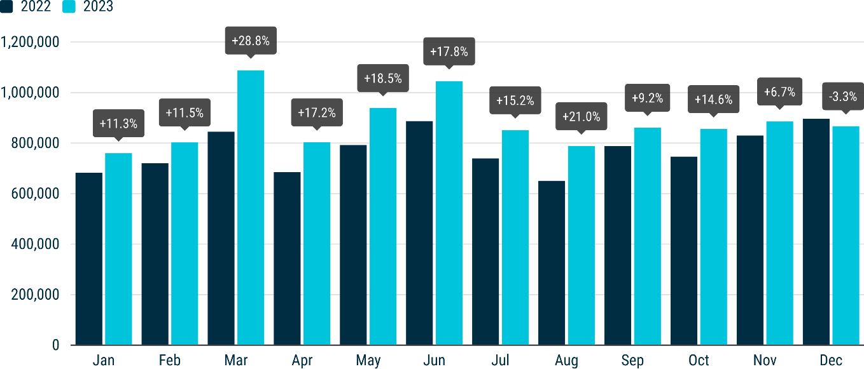
NEW EU CAR REGISTRATIONS BY POWER SOURCE Battery-electric cars established themselves as the third-most-popular choice for buyers in 2023. In December, market share surged to 18.5%, contributing to a 14.6% share for the full year, surpassing diesel, which remained steady at 13.6%. Petrol cars retained their lead at 35.3%, while hybrid-electric cars claimed second spot, commanding a 25.8% market share.
Electric cars In December 2023, new battery-electric car sales declined for the first time since April 2020 (during the COVID-19 pandemic's peak), dropping by 16.9% to 160,700 units. This decrease can be attributed to a comparatively robust performance in December 2022 and a significant downturn in Germany (-47.6%), the largest market for this power source. Despite this, the overall volume for the full year of 2023 surpassed 1.5 million units, reflecting a substantial 37% increase compared to 2022. The battery-electric car market share reached 14.6% in 2023. In December, new EU registrations of hybrid-electric cars surged by 26%, driven by impressive gains in three of the four largest markets: Germany (+38%), France (+32.6%), and Spain (+24.3%). This contributed to a cumulative 29.5% increase in 2023, resulting in over 2.7 million units sold in 2023 – a quarter of the EU market share. In contrast, sales of plug-in hybrid electric cars ended the year on a downward trend, declining by a significant 40.2% to 71,546 units in December 2023. Increases in key markets, Belgium (+19.7%) and France (+17.3%), were insufficient to offset the substantial downturn in Germany (-74.4%), the largest market for this power source. As a result, the EU plug-in hybrid electric car market decreased by 7% compared to 2022 and now represents a 7.7% market share.
 | 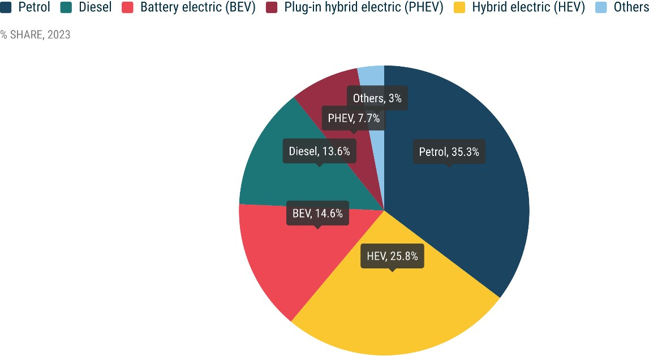
Petrol and diesel cars In December 2023, the EU petrol car market grew by 5.1%, driven by significant contributions from key markets like Italy (+24.9%) and Germany (+16.1%). This led to a total of 3.7 million units sold, a 10.6% increase compared to the previous year. Despite maintaining the lead with a 35.3% market share throughout 2023, petrol cars experienced a slight decline from 36.4% in 2022. The EU diesel car market continued its downward trajectory in December, contracting 9.1%. This decline was evident in several key markets, including three of the largest: Spain (-26.5%), France (-22.2%), and Italy (-19.7%). However, Germany diverged from this trend with 10.3% growth. In 2023, diesel car sales reached 1.4 million units, accounting for a market share of 13.6%, declining from 16.4% in 2022.
MONTHLY2
 | BATTERY ELECTRIC |  |  | PLUG-IN HYBRID |  |  | HYBRID ELECTRIC1 |  |  | OTHERS2 |  |  | PETROL |  |  | DIESEL |  |  | TOTAL |  |  | BATTERY ELECTRIC |  |  | PLUG-IN HYBRID |  |  | HYBRID ELECTRIC1 |  |  | OTHERS2 |  |  | PETROL |  |  | DIESEL |  |  | TOTAL
 | December 2023 | December 2022 | % change 23/22 | December 2023 | December 2022 | % change 23/22 | December 2023 | December 2022 | % change 23/22 | December 2023 | December 2022 | % change 23/22 | December 2023 | December 2022 | % change 23/22 | December 2023 | December 2022 | % change 23/22 | December 2023 | December 2022 | % change 23/22 | November 2023 | November 2022 | % change 23/22 | November 2023 | November 2022 | % change 23/22 | November 2023 | November 2022 | % change 23/22 | November 2023 | November 2022 | % change 23/22 | November 2023 | November 2022 | % change 23/22 | November 2023 | November 2022 | % change 23/22 | November 2023 | November 2022 | % change 23/22
Austria | 4,019 | 3,971 | +1.2 | 1,146 | 1,230 | -6.8 | 3,865 | 3,486 | +10.9 | 0 | 2 | -100.0 | 5,921 | 5,315 | +11.4 | 3,546 | 3,598 | -1.4 | 18,497 | 17,602 | +5.1 | 4,330 | 3,430 | +26.2 | 1,213 | 1,537 | -21.1 | 4,129 | 3,761 | +9.8 | 0 | 5 | -100.0 | 5,838 | 5,684 | +2.7 | 3,390 | 3,761 | -9.9 | 18,900 | 18,178 | +4.0
Belgium | 6,462 | 4,497 | +43.7 | 5,443 | 4,547 | +19.7 | 2,314 | 1,678 | +37.9 | 189 | 191 | -1.0 | 9,753 | 10,654 | -8.5 | 1,554 | 3,017 | -48.5 | 25,715 | 24,584 | +4.6 | 9,499 | 3,797 | +150.2 | 8,908 | 6,196 | +43.8 | 3,141 | 1,958 | +60.4 | 318 | 261 | +21.8 | 13,046 | 13,709 | -4.8 | 2,640 | 3,857 | -31.6 | 37,552 | 29,778 | +26.1
Bulgaria | 156 | 112 | +39.3 | 24 | 16 | +50.0 | 40 | 26 | +53.8 | 3 | 0 |  | 2,366 | 1,520 | +55.7 | 534 | 335 | +59.4 | 3,123 | 2,009 | +55.5 | 160 | 95 | +68.4 | 27 | 8 | +237.5 | 52 | 28 | +85.7 | 0 | 0 |  | 2,932 | 1,941 | +51.1 | 396 | 241 | +64.3 | 3,567 | 2,313 | +54.2
Croatia | 134 | 162 | -17.3 | 65 | 83 | -21.7 | 794 | 533 | +49.0 | 114 | 164 | -30.5 | 1,536 | 1,071 | +43.4 | 810 | 515 | +57.3 | 3,453 | 2,528 | +36.6 | 137 | 151 | -9.3 | 79 | 93 | -15.1 | 889 | 607 | +46.5 | 139 | 47 | +195.7 | 1,521 | 1,248 | +21.9 | 623 | 512 | +21.7 | 3,388 | 2,658 | +27.5
Cyprus | 49 | 31 | +58.1 | 32 | 20 | +60.0 | 381 | 244 | +56.1 | 0 | 0 |  | 263 | 456 | -42.3 | 18 | 25 | -28.0 | 743 | 776 | -4.3 | 100 | 44 | +127.3 | 76 | 29 | +162.1 | 546 | 334 | +63.5 | 0 | 0 |  | 494 | 508 | -2.8 | 28 | 41 | -31.7 | 1,244 | 956 | +30.1
Czechia | 517 | 298 | +73.5 | 418 | 361 | +15.8 | 3,291 | 2,414 | +36.3 | 441 | 411 | +7.3 | 7,376 | 7,799 | -5.4 | 3,082 | 3,270 | -5.7 | 15,125 | 14,553 | +3.9 | 791 | 453 | +74.6 | 418 | 396 | +5.6 | 3,602 | 2,405 | +49.8 | 376 | 441 | -14.7 | 9,914 | 9,861 | +0.5 | 4,309 | 3,852 | +11.9 | 19,410 | 17,408 | +11.5
Denmark | 9,873 | 5,659 | +74.5 | 1,723 | 3,430 | -49.8 | 2,721 | 1,355 | +100.8 | 0 | 1 | -100.0 | 3,779 | 3,839 | -1.6 | 1,091 | 931 | +17.2 | 19,187 | 15,215 | +26.1 | 7,233 | 3,224 | +124.3 | 1,281 | 2,231 | -42.6 | 2,831 | 2,239 | +26.4 | 0 | 0 |  | 4,336 | 4,378 | -1.0 | 673 | 1,052 | -36.0 | 16,354 | 13,124 | +24.6
Estonia | 139 | 44 | +215.9 | 39 | 23 | +69.6 | 853 | 419 | +103.6 | 9 | 3 | +200.0 | 496 | 475 | +4.4 | 277 | 181 | +53.0 | 1,813 | 1,145 | +58.3 | 129 | 46 | +180.4 | 39 | 17 | +129.4 | 789 | 435 | +81.4 | 5 | 11 | -54.5 | 625 | 643 | -2.8 | 240 | 276 | -13.0 | 1,827 | 1,428 | +27.9
Finland | 2,103 | 1,843 | +14.1 | 1,503 | 1,133 | +32.7 | 1,215 | 1,672 | -27.3 | 16 | 44 | -63.6 | 689 | 1,141 | -39.6 | 274 | 354 | -22.6 | 5,800 | 6,187 | -6.3 | 2,314 | 1,584 | +46.1 | 1,452 | 1,364 | +6.5 | 1,724 | 1,847 | -6.7 | 35 | 66 | -47.0 | 853 | 1,145 | -25.5 | 298 | 386 | -22.8 | 6,676 | 6,392 | +4.4
France | 37,355 | 24,944 | +49.8 | 17,058 | 14,544 | +17.3 | 48,138 | 36,294 | +32.6 | 5,015 | 4,924 | +1.8 | 56,700 | 55,810 | +1.6 | 16,739 | 21,511 | -22.2 | 181,005 | 158,027 | +14.5 | 30,775 | 20,274 | +51.8 | 14,540 | 12,340 | +17.8 | 40,050 | 29,498 | +35.8 | 5,312 | 4,909 | +8.2 | 48,805 | 48,499 | +0.6 | 13,229 | 18,440 | -28.3 | 152,711 | 133,960 | +14.0
Germany | 54,654 | 104,325 | -47.6 | 17,894 | 69,801 | -74.4 | 55,687 | 40,359 | +38.0 | 1,351 | 1,383 | -2.3 | 74,894 | 64,525 | +16.1 | 37,403 | 33,925 | +10.3 | 241,883 | 314,318 | -23.0 | 44,942 | 57,980 | -22.5 | 18,124 | 44,581 | -59.3 | 60,463 | 43,697 | +38.4 | 968 | 1,710 | -43.4 | 81,734 | 72,663 | +12.5 | 39,470 | 39,881 | -1.0 | 245,701 | 260,512 | -5.7
Greece | 577 | 310 | +86.1 | 666 | 515 | +29.3 | 3,100 | 1,550 | +100.0 | 332 | 274 | +21.2 | 2,912 | 2,612 | +11.5 | 653 | 1,225 | -46.7 | 8,240 | 6,486 | +27.0 | 443 | 283 | +56.5 | 996 | 466 | +113.7 | 3,354 | 2,622 | +27.9 | 328 | 313 | +4.8 | 4,036 | 3,282 | +23.0 | 1,295 | 1,104 | +17.3 | 10,452 | 8,070 | +29.5
Hungary | 424 | 378 | +12.2 | 420 | 398 | +5.5 | 3,874 | 3,997 | -3.1 | 37 | 100 | -63.0 | 2,195 | 2,214 | -0.9 | 1,036 | 914 | +13.3 | 7,986 | 8,001 | -0.2 | 530 | 567 | -6.5 | 431 | 485 | -11.1 | 3,912 | 4,174 | -6.3 | 34 | 45 | -24.4 | 2,436 | 3,176 | -23.3 | 962 | 1,052 | -8.6 | 8,305 | 9,499 | -12.6
Ireland | 199 | 88 | +126.1 | 45 | 7 | +542.9 | 56 | 27 | +107.4 | 0 | 0 |  | 10 | 37 | -73.0 | 35 | 50 | -30.0 | 345 | 209 | +65.1 | 324 | 343 | -5.5 | 91 | 61 | +49.2 | 189 | 125 | +51.2 | 0 | 0 |  | 146 | 269 | -45.7 | 164 | 187 | -12.3 | 914 | 985 | -7.2
Italy | 6,806 | 4,520 | +50.6 | 4,482 | 5,119 | -12.4 | 38,855 | 36,662 | +6.0 | 10,247 | 10,532 | -2.7 | 33,820 | 27,073 | +24.9 | 16,901 | 21,055 | -19.7 | 111,111 | 104,961 | +5.9 | 7,950 | 5,116 | +55.4 | 5,745 | 6,368 | -9.8 | 52,688 | 40,454 | +30.2 | 13,912 | 13,956 | -0.3 | 39,053 | 32,494 | +20.2 | 19,901 | 21,494 | -7.4 | 139,249 | 119,882 | +16.2
Latvia | 126 | 107 | +17.8 | 28 | 9 | +211.1 | 436 | 285 | +53.0 | 19 | 32 | -40.6 | 606 | 514 | +17.9 | 193 | 236 | -18.2 | 1,408 | 1,183 | +19.0 | 150 | 153 | -2.0 | 31 | 24 | +30.8 | 431 | 431 | +0.1 | 29 | 32 | -8.5 | 664 | 540 | +22.9 | 227 | 309 | -26.6 | 1,532 | 1,489 | +2.9
Lithuania | 176 | 99 | +77.8 | 0 | 0 |  | 884 | 635 | +39.2 | 0 | 0 |  | 544 | 583 | -6.7 | 153 | 128 | +19.5 | 1,757 | 1,445 | +21.6 | 153 | 148 | +3.4 | 0 | 0 |  | 1,021 | 656 | +55.6 | 1 | 1 | +0.0 | 773 | 719 | +7.5 | 241 | 242 | -0.4 | 2,189 | 1,766 | +24.0
Luxembourg | 826 | 603 | +37.0 | 368 | 297 | +23.9 | 646 | 565 | +14.3 | 0 | 0 |  | 954 | 1,072 | -11.0 | 554 | 584 | -5.1 | 3,348 | 3,121 | +7.3 | 843 | 669 | +26.0 | 354 | 331 | +6.9 | 774 | 754 | +2.7 | 0 | 0 |  | 1,173 | 1,042 | +12.6 | 494 | 639 | -22.7 | 3,638 | 3,435 | +5.9
Malta | 84 | 81 | +3.7 | 56 | 79 | -29.1 | 96 | 73 | +31.5 | 0 | 1 | -100.0 | 189 | 165 | +14.5 | 45 | 34 | +32.4 | 470 | 433 | +8.5 | 77 | 70 | +10.1 | 43 | 56 | -23.7 | 78 | 86 | -9.5 | 1 | 0 |  | 206 | 169 | +22.0 | 57 | 47 | +22.1 | 462 | 428 | +8.0
Netherlands | 11,125 | 13,571 | -18.0 | 2,323 | 2,059 | +12.8 | 7,031 | 5,652 | +24.4 | 311 | 240 | +29.6 | 5,586 | 9,072 | -38.4 | 201 | 224 | -10.3 | 26,577 | 30,818 | -13.8 | 9,576 | 6,959 | +37.6 | 3,156 | 2,897 | +8.9 | 7,335 | 7,272 | +0.9 | 294 | 328 | -10.4 | 7,616 | 9,981 | -23.7 | 279 | 309 | -9.7 | 28,256 | 27,746 | +1.8
Poland | 1,711 | 1,227 | +39.4 | 1,281 | 933 | +37.3 | 17,453 | 13,282 | +31.4 | 1,301 | 1,177 | +10.5 | 15,896 | 16,381 | -3.0 | 4,475 | 3,872 | +15.6 | 42,117 | 36,872 | +14.2 | 1,880 | 1,173 | +60.3 | 1,120 | 822 | +36.3 | 17,112 | 11,091 | +54.3 | 1,192 | 1,115 | +6.9 | 16,086 | 16,221 | -0.8 | 4,295 | 3,774 | +13.8 | 41,685 | 34,196 | +21.9
Portugal | 3,957 | 2,130 | +85.8 | 2,686 | 1,852 | +45.0 | 1,997 | 1,677 | +19.1 | 1,324 | 929 | +42.5 | 4,909 | 5,886 | -16.6 | 1,762 | 2,497 | -29.4 | 16,635 | 14,971 | +11.1 | 4,061 | 2,146 | +89.2 | 2,757 | 1,446 | +90.7 | 2,025 | 1,928 | +5.0 | 1,072 | 618 | +73.5 | 4,410 | 6,839 | -35.5 | 1,444 | 2,374 | -39.2 | 15,769 | 15,351 | +2.7
Romania | 1,279 | 2,278 | -43.9 | 0 | 0 |  | 3,789 | 2,973 | +27.4 | 1,121 | 1,492 | -24.9 | 3,693 | 4,322 | -14.6 | 1,491 | 1,372 | +8.7 | 11,373 | 12,437 | -8.6 | 1,203 | 849 | +41.7 | 0 | 0 |  | 3,725 | 3,033 | +22.8 | 1,041 | 1,226 | -15.1 | 4,000 | 4,566 | -12.4 | 1,165 | 1,400 | -16.8 | 11,134 | 11,074 | +0.5
Slovakia | 205 | 154 | +33.1 | 185 | 175 | +5.7 | 1,583 | 1,577 | +0.4 | 117 | 159 | -26.4 | 2,234 | 3,385 | -34.0 | 1,004 | 999 | +0.5 | 5,328 | 6,449 | -17.4 | 227 | 125 | +81.6 | 258 | 163 | +58.3 | 2,082 | 1,617 | +28.8 | 156 | 160 | -2.5 | 3,095 | 3,607 | -14.2 | 1,246 | 1,086 | +14.7 | 7,064 | 6,758 | +4.5
Slovenia | 338 | 229 | +47.6 | 51 | 29 | +75.9 | 309 | 223 | +38.6 | 21 | 44 | -52.3 | 1,624 | 1,511 | +7.5 | 462 | 489 | -5.5 | 2,805 | 2,525 | +11.1 | 422 | 221 | +91.0 | 47 | 63 | -25.4 | 675 | 507 | +33.1 | 21 | 36 | -41.7 | 2,118 | 2,075 | +2.1 | 598 | 731 | -18.2 | 3,881 | 3,633 | +6.8
Spain | 5,896 | 3,405 | +73.2 | 6,546 | 4,634 | +41.3 | 27,924 | 22,463 | +24.3 | 3,062 | 1,822 | +68.1 | 29,422 | 29,450 | -0.1 | 8,922 | 12,136 | -26.5 | 81,772 | 73,910 | +10.6 | 6,053 | 3,319 | +82.4 | 5,509 | 4,820 | +14.3 | 26,918 | 24,870 | +8.2 | 3,094 | 1,026 | +201.6 | 28,425 | 28,415 | +0.0 | 8,315 | 10,766 | -22.8 | 78,314 | 73,216 | +7.0
Sweden | 11,510 | 18,205 | -36.8 | 7,064 | 8,259 | -14.5 | 2,235 | 2,019 | +10.7 | 474 | 372 | +27.4 | 6,110 | 4,244 | +44.0 | 2,043 | 2,377 | -14.1 | 29,436 | 35,476 | -17.0 | 10,076 | 10,868 | -7.3 | 5,307 | 5,650 | -6.1 | 2,444 | 2,347 | +4.1 | 746 | 437 | +70.7 | 5,057 | 4,001 | +26.4 | 1,776 | 2,285 | -22.3 | 25,406 | 25,588 | -0.7
EUROPEAN UNION | 160,700 | 193,271 | -16.9 | 71,546 | 119,553 | -40.2 | 229,567 | 182,140 | +26.0 | 25,504 | 24,297 | +5.0 | 274,477 | 261,126 | +5.1 | 105,258 | 115,854 | -9.1 | 867,052 | 896,241 | -3.3 | 144,378 | 124,087 | +16.4 | 72,002 | 92,444 | -22.1 | 242,979 | 188,776 | +28.7 | 29,074 | 26,743 | +8.7 | 289,392 | 277,675 | +4.2 | 107,755 | 120,098 | -10.3 | 885,581 | 829,823 | +6.7
Iceland | 1,242 | 916 | +35.6 | 59 | 216 | -72.7 | 46 | 161 | -71.4 | 0 | 0 |  | 23 | 60 | -61.7 | 82 | 97 | -15.5 | 1,452 | 1,450 | +0.1 | 1,055 | 717 | +47.1 | 95 | 191 | -50.3 | 75 | 171 | -56.1 | 0 | 0 |  | 27 | 99 | -72.7 | 45 | 115 | -60.9 | 1,297 | 1,293 | +0.3
Norway | 8,957 | 32,712 | -72.6 | 1,954 | 3,180 | -38.6 | 709 | 2,073 | -65.8 | 0 | 1 | -100.0 | 183 | 558 | -67.2 | 380 | 971 | -60.9 | 12,183 | 39,495 | -69.2 | 8,442 | 15,913 | -46.9 | 938 | 1,500 | -37.5 | 702 | 1,429 | -50.9 | 0 | 1 | -100.0 | 59 | 229 | -74.2 | 207 | 438 | -52.7 | 10,348 | 19,510 | -47.0
Switzerland | 7,240 | 6,859 | +5.6 | 2,782 | 1,700 | +63.6 | 7,074 | 5,727 | +23.5 | 4 | 19 | -78.9 | 7,580 | 8,112 | -6.6 | 2,268 | 2,320 | -2.2 | 26,948 | 24,737 | +8.9 | 4,748 | 4,391 | +8.1 | 2,164 | 1,677 | +29.0 | 6,235 | 5,555 | +12.2 | 2 | 9 | -77.8 | 6,811 | 7,566 | -10.0 | 2,045 | 2,208 | -7.4 | 22,005 | 21,406 | +2.8
EFTA | 17,439 | 40,487 | -56.9 | 4,795 | 5,096 | -5.9 | 7,829 | 7,961 | -1.7 | 4 | 20 | -80.0 | 7,786 | 8,730 | -10.8 | 2,730 | 3,388 | -19.4 | 40,583 | 65,682 | -38.2 | 14,245 | 21,021 | -32.2 | 3,197 | 3,368 | -5.1 | 7,012 | 7,155 | -2.0 | 2 | 10 | -80.0 | 6,897 | 7,894 | -12.6 | 2,297 | 2,761 | -16.8 | 33,650 | 42,209 | -20.3
United Kingdom | 27,841 | 42,285 | -34.2 | 12,162 | 8,367 | +45.4 | 41,838 | 31,714 | +31.9 | 0 | 0 |  | 54,360 | 42,090 | +29.2 | 4,891 | 4,006 | +22.1 | 141,092 | 128,462 | +9.8 | 24,359 | 29,372 | -17.1 | 15,871 | 10,186 | +55.8 | 49,757 | 40,136 | +24.0 | 0 | 0 |  | 61,875 | 57,590 | +7.4 | 4,663 | 5,605 | -16.8 | 156,525 | 142,889 | +9.5
EU + EFTA + UK | 205,980 | 276,043 | -25.4 | 88,503 | 133,016 | -33.5 | 279,234 | 221,815 | +25.9 | 25,508 | 24,317 | +4.9 | 336,623 | 311,946 | +7.9 | 112,879 | 123,248 | -8.4 | 1,048,727 | 1,090,385 | -3.8 | 182,982 | 174,480 | +4.9 | 91,070 | 105,998 | -14.1 | 299,748 | 236,067 | +27.0 | 29,076 | 26,753 | +8.7 | 358,164 | 343,159 | +4.4 | 114,715 | 128,464 | -10.7 | 1,075,756 | 1,014,921 | +6.0

Octobre 23-23 Sales
NEW CAR REGISTRATIONS, EUROPEAN UNION
EMBARGOED PRESS RELEASE 8.00 CET (7.00 GMT), 21 November 2023
New car registrations: +14.6% in October; battery electric 14.2% market share
In October 2023, the EU car market expanded significantly, with new registrations surging by 14.6% to 855,484 units. This marked the fifteenth consecutive month of growth, with notable double-digit percentage increases in three of the largest markets: France (+21.9%), Italy (+20%), and Spain (+18.1%). However, the German car market reported a more modest year-on-year increase of 4.9%. Ten months into 2023, new car registrations were up by 16.7%, totalling almost nine million units. All markets grew during this ten-month period except for Hungary. Notably, the four largest markets: Italy (+20.4%), Spain (+18.5%), France (+16.5%), and Germany (+13.5%) contributed to this positive trend.
Data source: the European Automobile Manufacturers’ Association (ACEA), based on aggregated data provided by national automobile associations, ACEA members and S&P Global Mobility. © Reproduction of the content of this document is not permitted without the prior written consent of ACEA. Whenever reproduction is permitted, ACEA shall be referred to as source of the information. Quoting or referring to this document is permitted provided ACEA is referred to as the source of the information.

 | 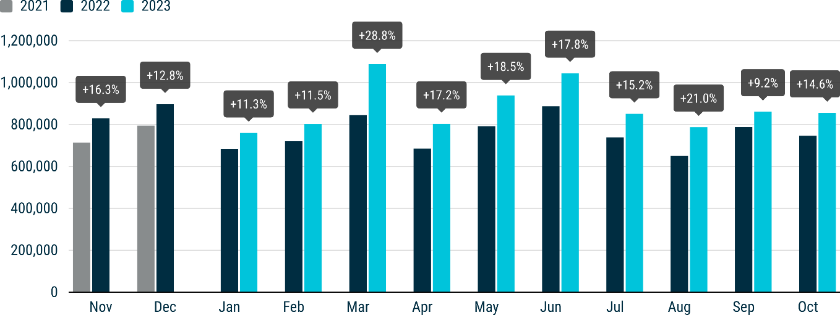
NEW EU CAR REGISTRATIONS BY POWER SOURCE In October, the market share of battery-electric cars rose to 14.2%, up from 12% in the same month last year. The year-to-date share now stands at 14%, surpassing diesel’s cumulative share for the first time. Hybrid-electric cars secured second spot with nearly 29% market share, while petrol cars maintained their lead, albeit decreasing to 33.4% in October.
Electric cars In October 2023, EU registrations of battery-electric cars increased significantly, growing by 36.3% to reach 121,808 units. Several markets contributed to this expansion with triple-digit percentage increases, particularly Belgium (+147.3%) and Denmark (+100.7%). Following a slowdown in September, Germany – the largest market for battery-electric cars – grew modestly (+4.3%) in October. This brings the year-to-date volume to 1.2 million units, marking a noteworthy 53.1% gain compared to last year and capturing a 14% share of the EU car market over the ten-month period. New EU registrations of hybrid-electric cars surged by 38.6% in October, propelled by substantial growth in the region's top three markets: Germany (+57.9%), France (+40.1%), and Italy (+28%). This contributed to a cumulative increase of 29.8%, totalling 2.2 million units sold in the first ten months, representing over a quarter of the market. Plug-in hybrid electric car sales dropped by 5% year on year to 72,002 units last month. Despite notable increases in Belgium (+70.2%) and France (+34.2%), this was insufficient to offset Germany’s decline (-49%), the largest market for this power source. As a result, the market share of plug-in hybrid cars decreased from 10.2% to 8.4% in October.
 | 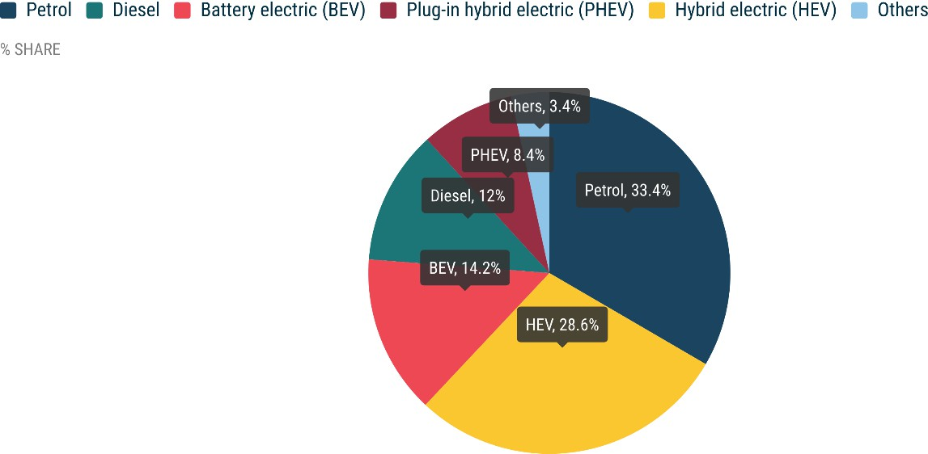
Petrol and diesel cars In October 2023, the EU petrol car market grew by 8.1%, although its market share contracted from 35.4% to 33.4% compared to the same period last year. The significant surge in sales across key bloc markets, including Italy (+21%), France (+17.4%), Spain (+7.7%), and Germany (+7.5%), contributed to this increase. On the other hand, the EU's diesel car market continued its decline in October, decreasing by 13.2%. This decline was evident in most of the bloc's markets, including the four largest: France (-29.4%), Spain (-20.2%), Germany (-4.6%), and Italy (-3.7%). Diesel cars now have a market share of 12%, down from 15.9% in October last year.
MONTHLY
 | BATTERY ELECTRIC |  |  | PLUG-IN HYBRID |  |  | HYBRID ELECTRIC1 |  |  | OTHERS2 |  |  | PETROL |  |  | DIESEL |  |  | TOTAL
 | October 2023 | October 2022 | % change 23/22 | October 2023 | October 2022 | % change 23/22 | October 2023 | October 2022 | % change 23/22 | October 2023 | October 2022 | % change 23/22 | October 2023 | October 2022 | % change 23/22 | October 2023 | October 2022 | % change 23/22 | October 2023 | October 2022 | % change 23/22
Austria | 4,378 | 2,660 | +64.6 | 1,512 | 1,062 | +42.4 | 4,253 | 3,126 | +36.1 | 1 | 1 | +0.0 | 5,551 | 5,497 | +1.0 | 3,172 | 3,712 | -14.5 | 18,867 | 16,058 | +17.5
Belgium | 8,628 | 3,489 | +147.3 | 9,218 | 5,416 | +70.2 | 3,540 | 2,425 | +46.0 | 224 | 208 | +7.7 | 14,486 | 14,340 | +1.0 | 2,464 | 4,573 | -46.1 | 38,560 | 30,451 | +26.6
Bulgaria | 111 | 86 | +29.1 | 23 | 16 | +43.8 | 40 | 23 | +73.9 | 0 | 0 |  | 1,976 | 1,670 | +18.3 | 631 | 589 | +7.1 | 2,781 | 2,384 | +16.7
Croatia | 68 | 94 | -27.7 | 165 | 95 | +73.7 | 1,045 | 603 | +73.3 | 155 | 46 | +237.0 | 1,633 | 1,423 | +14.8 | 643 | 762 | -15.6 | 3,709 | 3,023 | +22.7
Cyprus | 82 | 33 | +148.5 | 56 | 12 | +366.7 | 447 | 323 | +38.4 | 0 | 0 |  | 547 | 419 | +30.5 | 33 | 37 | -10.8 | 1,165 | 824 | +41.4
Czechia | 740 | 289 | +156.1 | 630 | 344 | +83.1 | 3,993 | 2,399 | +66.4 | 302 | 312 | -3.2 | 9,605 | 8,685 | +10.6 | 4,052 | 4,253 | -4.7 | 19,322 | 16,282 | +18.7
Denmark | 4,825 | 2,404 | +100.7 | 1,407 | 1,833 | -23.2 | 1,988 | 2,242 | -11.3 | 0 | 0 |  | 4,467 | 3,695 | +20.9 | 546 | 672 | -18.8 | 13,233 | 10,846 | +22.0
Estonia | 149 | 68 | +119.1 | 59 | 27 | +118.5 | 665 | 565 | +17.7 | 5 | 17 | -70.6 | 654 | 719 | -9.0 | 194 | 276 | -29.7 | 1,726 | 1,672 | +3.2
Finland | 2,302 | 1,238 | +85.9 | 1,484 | 1,288 | +15.2 | 1,468 | 1,962 | -25.2 | 30 | 95 | -68.4 | 832 | 1,208 | -31.1 | 336 | 407 | -17.4 | 6,452 | 6,198 | +4.1
France | 25,473 | 16,861 | +51.1 | 14,906 | 11,108 | +34.2 | 40,494 | 28,913 | +40.1 | 5,555 | 5,192 | +7.0 | 54,067 | 46,060 | +17.4 | 11,888 | 16,847 | -29.4 | 152,383 | 124,981 | +21.9
Germany | 37,334 | 35,781 | +4.3 | 16,361 | 32,064 | -49.0 | 57,575 | 36,469 | +57.9 | 1,162 | 1,098 | +5.8 | 71,646 | 66,676 | +7.5 | 34,881 | 36,554 | -4.6 | 218,959 | 208,642 | +4.9
Greece | 416 | 241 | +72.6 | 1,133 | 592 | +91.4 | 3,857 | 2,058 | +87.4 | 274 | 344 | -20.3 | 4,240 | 3,061 | +38.5 | 1,362 | 1,495 | -8.9 | 11,282 | 7,791 | +44.8
Hungary | 648 | 328 | +97.6 | 434 | 422 | +2.8 | 3,934 | 3,106 | +26.7 | 27 | 44 | -38.6 | 2,441 | 3,158 | -22.7 | 945 | 1,200 | -21.3 | 8,429 | 8,258 | +2.1
Ireland | 604 | 737 | -18.0 | 258 | 172 | +50.0 | 351 | 216 | +62.5 | 0 | 0 |  | 517 | 898 | -42.4 | 441 | 594 | -25.8 | 2,171 | 2,617 | -17.0
Italy | 5,761 | 3,664 | +57.2 | 5,780 | 5,646 | +2.4 | 54,191 | 42,323 | +28.0 | 13,925 | 10,768 | +29.3 | 38,833 | 32,106 | +21.0 | 20,555 | 21,350 | -3.7 | 139,045 | 115,857 | +20.0
Latvia | 138 | 109 | +26.6 | 22 | 39 | -43.6 | 393 | 412 | -4.6 | 34 | 21 | +61.9 | 642 | 612 | +4.9 | 205 | 218 | -6.0 | 1,434 | 1,411 | +1.6
Lithuania | 240 | 133 | +80.5 | 0 | 0 |  | 913 | 691 | +32.1 | 0 | 0 |  | 732 | 686 | +6.7 | 203 | 201 | +1.0 | 2,088 | 1,711 | +22.0
Luxembourg | 1,260 | 530 | +137.7 | 391 | 295 | +32.5 | 777 | 772 | +0.6 | 0 | 0 |  | 1,267 | 1,128 | +12.3 | 473 | 740 | -36.1 | 4,168 | 3,465 | +20.3
Malta | 82 | 92 | -10.9 | 70 | 121 | -42.1 | 103 | 75 | +37.3 | 1 | 0 |  | 267 | 139 | +92.1 | 60 | 52 | +15.4 | 583 | 479 | +21.7
Netherlands | 8,268 | 6,413 | +28.9 | 3,471 | 3,348 | +3.7 | 7,822 | 8,043 | -2.7 | 197 | 172 | +14.5 | 8,297 | 10,564 | -21.5 | 307 | 262 | +17.2 | 28,362 | 28,802 | -1.5
Poland | 1,329 | 979 | +35.8 | 1,185 | 885 | +33.9 | 18,156 | 10,113 | +79.5 | 1,150 | 683 | +68.4 | 15,527 | 15,210 | +2.1 | 3,566 | 4,131 | -13.7 | 40,913 | 32,001 | +27.8
Portugal | 2,717 | 1,416 | +91.9 | 2,343 | 1,465 | +59.9 | 1,890 | 2,058 | -8.2 | 940 | 667 | +40.9 | 4,388 | 4,832 | -9.2 | 1,585 | 2,191 | -27.7 | 13,863 | 12,629 | +9.8
Romania | 1,127 | 792 | +42.3 | 0 | 0 |  | 4,106 | 2,723 | +50.8 | 1,204 | 831 | +44.9 | 3,882 | 4,701 | -17.4 | 1,074 | 1,494 | -28.1 | 11,393 | 10,541 | +8.1
Slovakia | 269 | 120 | +124.2 | 270 | 167 | +61.7 | 2,476 | 1,569 | +57.8 | 150 | 166 | -9.6 | 3,296 | 4,184 | -21.2 | 1,346 | 1,322 | +1.8 | 7,807 | 7,528 | +3.7
Slovenia | 396 | 192 | +106.3 | 85 | 49 | +73.5 | 407 | 487 | -16.4 | 27 | 21 | +28.6 | 2,288 | 1,950 | +17.3 | 678 | 734 | -7.6 | 3,881 | 3,433 | +13.0
Spain | 5,055 | 2,694 | +87.6 | 4,990 | 3,971 | +25.7 | 27,468 | 20,608 | +33.3 | 2,978 | 975 | +205.4 | 28,177 | 26,167 | +7.7 | 9,224 | 11,552 | -20.2 | 77,892 | 65,967 | +18.1
Sweden | 9,408 | 7,940 | +18.5 | 5,749 | 5,359 | +7.3 | 2,008 | 2,018 | -0.5 | 595 | 528 | +12.7 | 5,372 | 4,326 | +24.2 | 1,884 | 2,212 | -14.8 | 25,016 | 22,383 | +11.8
EUROPEAN UNION | 121,808 | 89,383 | +36.3 | 72,002 | 75,796 | -5.0 | 244,360 | 176,322 | +38.6 | 28,936 | 22,189 | +30.4 | 285,630 | 264,114 | +8.1 | 102,748 | 118,430 | -13.2 | 855,484 | 746,234 | +14.6
Iceland | 667 | 301 | +121.6 | 94 | 179 | -47.5 | 74 | 130 | -43.1 | 0 | 0 |  | 81 | 78 | +3.8 | 44 | 123 | -64.2 | 960 | 811 | +18.4
Norway | 7,516 | 9,723 | -22.7 | 635 | 1,126 | -43.6 | 489 | 977 | -49.9 | 0 | 4 | -100.0 | 87 | 266 | -67.3 | 198 | 462 | -57.1 | 8,925 | 12,558 | -28.9
Switzerland | 4,505 | 2,409 | +87.0 | 2,063 | 1,316 | +56.8 | 5,730 | 4,865 | +17.8 | 2 | 14 | -85.7 | 6,308 | 6,684 | -5.6 | 1,747 | 1,897 | -7.9 | 20,355 | 17,185 | +18.4
EFTA | 12,688 | 12,433 | +2.1 | 2,792 | 2,621 | +6.5 | 6,293 | 5,972 | +5.4 | 2 | 18 | -88.9 | 6,476 | 7,028 | -7.9 | 1,989 | 2,482 | -19.9 | 30,240 | 30,554 | -1.0
United Kingdom | 23,943 | 19,933 | +20.1 | 14,285 | 8,900 | +60.5 | 47,737 | 42,171 | +13.2 | 0 | 0 |  | 62,303 | 56,993 | +9.3 | 5,261 | 6,347 | -17.1 | 153,529 | 134,344 | +14.3
EU + EFTA + UK | 158,439 | 121,749 | +30.1 | 89,079 | 87,317 | +2.0 | 298,390 | 224,465 | +32.9 | 28,938 | 22,207 | +30.3 | 354,409 | 328,135 | +8.0 | 109,998 | 127,259 | -13.6 | 1,039,253 | 911,132 | +14.1

Septembre 23-22 Sales
NEW CAR REGISTRATIONS, EUROPEAN UNION
PRESS RELEASE EMBARGO 8.00 CEST (6.00 GMT), 20 September 2023
New car registrations: +9.2% in September; battery electric 14.8% market share
In September 2023, new car registrations increased by 9.2%, reaching 861,062 units, marking the EU car market’s fourteenth consecutive month of growth. Two of the EU’s largest markets saw substantial gains; Italy (+22.7%) and France (+10.7%). Germany’s market was relatively steady, with a tiny 0.1% drop compared to September 2022. In the first three quarters of 2023, the EU car market grew substantially (+16.9%), totalling eight million registered units. Despite the year-to-date increase, the market remains 20% below the pre-COVID pandemic level of 10 million units in 2019. Except for Hungary (-3.2%), all of the region’s markets recorded gains during these nine months, including the four largest: Italy (+20.5%), Spain (+18.5%), France (+15.9%), and Germany (+14.5%).
Data source: the European Automobile Manufacturers’ Association (ACEA), based on aggregated data provided by national automobile associations, ACEA members and S&P Global Mobility. © Reproduction of the content of this document is not permitted without the prior written consent of ACEA. Whenever reproduction is permitted, ACEA shall be referred to as source of the information. Quoting or referring to this document is permitted provided ACEA is referred to as the source of the information.

 | 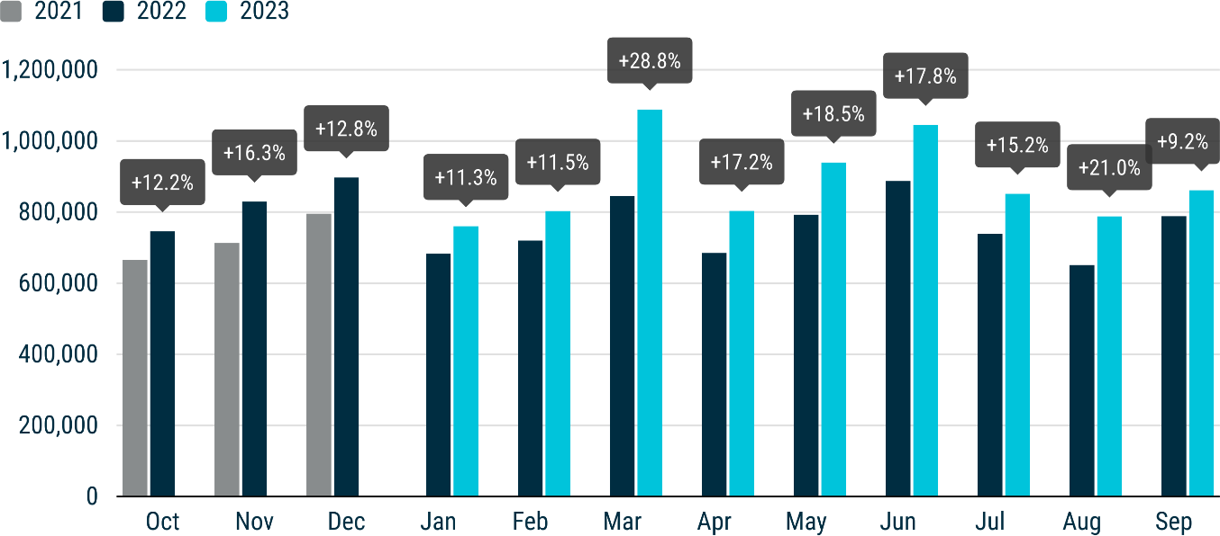
NEW EU CAR REGISTRATIONS BY POWER SOURCE In September, the battery-electric car market share reached 14.8%, marking an increase from 14.1% in September the previous year. This was the third time this year that battery- electric cars surpassed diesel, making them the third-most-popular choice for new car buyers. Hybrid-electric cars retained their position as the second most-preferred option, accounting for a significant 27.3% of the market. Although petrol cars are still buyers’ top choice, their market share fell from 35.3% in September 2022 to 34.1% this year.
Electric cars In September 2023, EU battery-electric car registrations increased by 14.3%, reaching 127,149 units, or 14.8% of the market. Germany, the largest market, declined by a significant 28.6%, which may be linked to incentives for private buyers being reduced from September. However, notably positive performances in three other EU markets – the Netherlands (+70.8%), Sweden (+60.7%), and France (+34.2%) – offset Germany’s decline. In September, new EU hybrid-electric car registrations increased by 30.5%, primarily driven by robust growth in the bloc’s three largest markets: Germany (+44.1%), Italy (+34.8%), and France (+30.2%). This resulted in a cumulative 28.8% increase, with nearly 2 million units sold in the first three-quarters of the year – around a quarter of the market. Last month, new EU plug-in hybrid car registrations were relatively stable (+0.4%), totalling 70,578 units. Strong performance in major markets such as France (+35.1%) and Belgium (+71.4%) helped offset Germany’s decline (-45.7%), the largest market for this power source. Overall, the market share of plug-in hybrid cars decreased from 8.9% to 8.2% in September this year.
 | 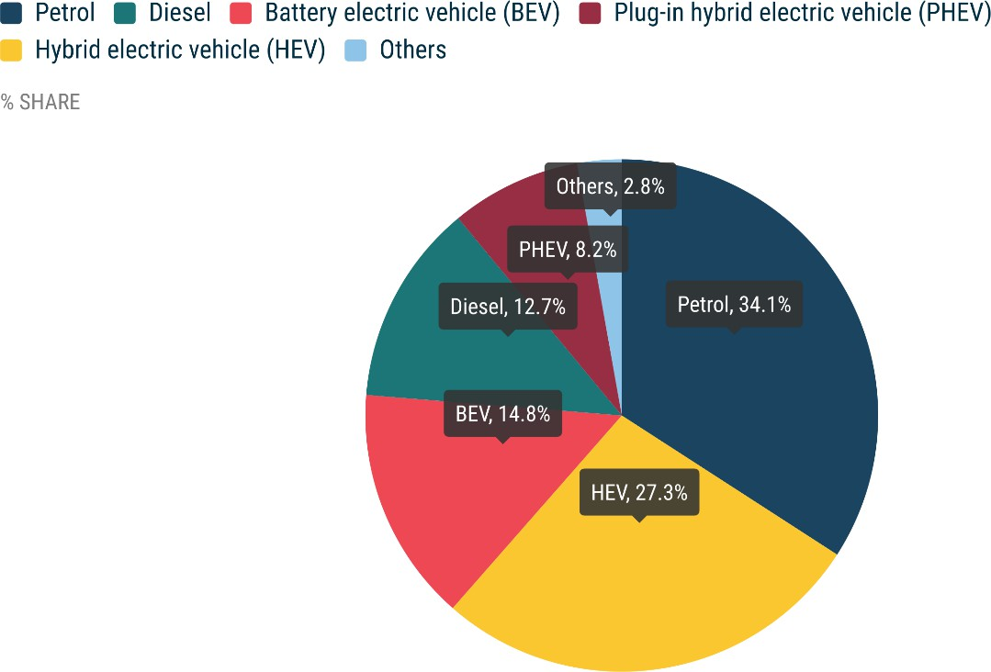
Petrol and diesel cars In September 2023, the EU petrol car market increased by 5.5%, although its market share decreased from 35.3% to 34.1% compared to September last year. Sales growth in the largest bloc’s markets – Italy (+32.2 %), Germany (+9.1%), Spain (+3.2%), and France (+1.4%) – largely contributed to this result. The EU’s diesel car market continued to decline in September (-12.5%), despite growth in Germany (+4.6%), as sales in most of the bloc’s other markets retracted. Diesel cars now have a market share of 12.7%, down from 15.9% in September of the previous year.
MONTHLY
 | BATTERY ELECTRIC |  |  | PLUG-IN HYBRID |  |  | HYBRID ELECTRIC1 |  |  | OTHERS2 |  |  | PETROL |  |  | DIESEL |  |  | TOTAL
 | September 2023 | September 2022 | % change 23/22 | September 2023 | September 2022 | % change 23/22 | September 2023 | September 2022 | % change 23/22 | September 2023 | September 2022 | % change 23/22 | September 2023 | September 2022 | % change 23/22 | September 2023 | September 2022 | % change 23/22 | September 2023 | September 2022 | % change 23/22
Austria | 4,256 | 4,554 | -6.5 | 1,531 | 1,214 | +26.1 | 4,469 | 3,489 | +28.1 | 5 | 0 |  | 5,976 | 6,898 | -13.4 | 3,603 | 4,580 | -21.3 | 19,840 | 20,735 | -4.3
Belgium | 9,146 | 3,797 | +140.9 | 8,652 | 5,048 | +71.4 | 2,792 | 2,647 | +5.5 | 154 | 248 | -37.9 | 15,166 | 15,199 | -0.2 | 2,996 | 4,086 | -26.7 | 38,906 | 31,025 | +25.4
Bulgaria | 118 | 77 | +53.2 | 16 | 14 | +14.3 | 49 | 32 | +53.1 | 0 | 0 |  | 2,367 | 1,642 | +44.2 | 426 | 357 | +19.3 | 2,976 | 2,122 | +40.2
Croatia | 98 | 219 | -55.3 | 112 | 78 | +43.6 | 936 | 634 | +47.6 | 146 | 104 | +40.4 | 1,764 | 1,634 | +8.0 | 678 | 817 | -17.0 | 3,734 | 3,486 | +7.1
Cyprus | 99 | 39 | +153.8 | 44 | 20 | +120.0 | 642 | 412 | +55.8 | 0 | 0 |  | 715 | 642 | +11.4 | 25 | 73 | -65.8 | 1,525 | 1,186 | +28.6
Czechia | 582 | 307 | +89.6 | 372 | 318 | +17.0 | 3,322 | 2,062 | +61.1 | 245 | 264 | -7.2 | 9,100 | 8,389 | +8.5 | 3,587 | 3,558 | +0.8 | 17,208 | 14,898 | +15.5
Denmark | 6,360 | 3,006 | +111.6 | 1,284 | 2,201 | -41.7 | 2,114 | 2,432 | -13.1 | 0 | 2 | -100.0 | 4,634 | 4,411 | +5.1 | 493 | 957 | -48.5 | 14,885 | 13,009 | +14.4
Estonia | 141 | 64 | +120.3 | 52 | 15 | +246.7 | 742 | 555 | +33.7 | 1 | 23 | -95.7 | 652 | 828 | -21.3 | 145 | 325 | -55.4 | 1,733 | 1,810 | -4.3
Finland | 3,002 | 1,463 | +105.2 | 1,417 | 1,264 | +12.1 | 1,739 | 2,116 | -17.8 | 33 | 97 | -66.0 | 985 | 1,429 | -31.1 | 305 | 432 | -29.4 | 7,481 | 6,801 | +10.0
France | 30,173 | 22,481 | +34.2 | 15,699 | 11,618 | +35.1 | 38,461 | 29,531 | +30.2 | 5,785 | 5,017 | +15.3 | 52,915 | 52,176 | +1.4 | 13,270 | 20,314 | -34.7 | 156,303 | 141,137 | +10.7
Germany | 31,714 | 44,389 | -28.6 | 15,383 | 28,336 | -45.7 | 57,795 | 40,097 | +44.1 | 731 | 1,460 | -49.9 | 78,979 | 72,375 | +9.1 | 39,900 | 38,159 | +4.6 | 224,502 | 224,816 | -0.1
Greece | 755 | 282 | +167.7 | 1,090 | 377 | +189.1 | 3,318 | 2,622 | +26.5 | 348 | 323 | +7.7 | 4,585 | 3,077 | +49.0 | 1,305 | 1,925 | -32.2 | 11,401 | 8,606 | +32.5
Hungary | 448 | 408 | +9.8 | 449 | 397 | +13.1 | 4,185 | 3,383 | +23.7 | 29 | 41 | -29.3 | 3,020 | 3,888 | -22.3 | 992 | 1,302 | -23.8 | 9,123 | 9,419 | -3.1
Ireland | 1,490 | 1,851 | -19.5 | 691 | 465 | +48.6 | 948 | 671 | +41.3 | 0 | 1 | -100.0 | 1,406 | 1,906 | -26.2 | 1,121 | 1,424 | -21.3 | 5,656 | 6,318 | -10.5
Italy | 4,944 | 5,060 | -2.3 | 5,474 | 3,993 | +37.1 | 53,711 | 39,840 | +34.8 | 11,006 | 10,326 | +6.6 | 40,446 | 30,591 | +32.2 | 20,656 | 21,189 | -2.5 | 136,237 | 110,999 | +22.7
Latvia | 163 | 99 | +64.6 | 33 | 23 | +43.5 | 441 | 459 | -3.9 | 19 | 18 | +5.6 | 567 | 682 | -16.9 | 183 | 257 | -28.8 | 1,406 | 1,538 | -8.6
Lithuania | 176 | 122 | +44.3 | - | - |  | 1,069 | 794 | +34.6 | 0 | 0 |  | 784 | 1,073 | -26.9 | 213 | 227 | -6.2 | 2,242 | 2,216 | +1.2
Luxembourg | 1,009 | 597 | +69.0 | 404 | 359 | +12.5 | 853 | 776 | +9.9 | 0 | 0 |  | 1,157 | 1,134 | +2.0 | 456 | 706 | -35.4 | 3,879 | 3,572 | +8.6
Malta | 98 | 48 | +104.2 | 73 | 106 | -31.1 | 110 | 87 | +26.4 | 0 | 0 |  | 274 | 131 | +109.2 | 67 | 34 | +97.1 | 622 | 406 | +53.2
Netherlands | 10,358 | 6,063 | +70.8 | 3,662 | 3,198 | +14.5 | 7,871 | 6,424 | +22.5 | 217 | 156 | +39.1 | 7,536 | 9,521 | -20.8 | 211 | 248 | -14.9 | 29,855 | 25,610 | +16.6
Poland | 1,275 | 1,414 | -9.8 | 917 | 974 | -5.9 | 16,492 | 11,417 | +44.5 | 810 | 920 | -12.0 | 15,736 | 17,083 | -7.9 | 3,848 | 4,011 | -4.1 | 39,078 | 35,819 | +9.1
Portugal | 2,816 | 2,150 | +31.0 | 2,454 | 1,525 | +60.9 | 1,899 | 2,259 | -15.9 | 1,252 | 347 | +260.8 | 3,926 | 3,896 | +0.8 | 1,730 | 2,325 | -25.6 | 14,077 | 12,502 | +12.6
Romania | 1,147 | 1,282 | -10.5 | - | - |  | 3,527 | 2,829 | +24.7 | 1,188 | 1,026 | +15.8 | 3,609 | 4,975 | -27.5 | 1,074 | 1,815 | -40.8 | 10,545 | 11,927 | -11.6
Slovakia | 207 | 95 | +117.9 | 410 | 118 | +247.5 | 1,893 | 1,155 | +63.9 | 108 | 74 | +45.9 | 3,214 | 2,850 | +12.8 | 1,027 | 945 | +8.7 | 6,859 | 5,237 | +31.0
Slovenia | 350 | 293 | +19.5 | 95 | 69 | +37.7 | 470 | 582 | -19.2 | 42 | 49 | -14.3 | 2,453 | 2,033 | +20.7 | 641 | 750 | -14.5 | 4,051 | 3,776 | +7.3
Spain | 3,724 | 3,287 | +13.3 | 4,927 | 4,174 | +18.0 | 23,576 | 20,862 | +13.0 | 1,709 | 1,261 | +35.5 | 26,294 | 25,489 | +3.2 | 8,573 | 12,167 | -29.5 | 68,803 | 67,240 | +2.3
Sweden | 12,500 | 7,777 | +60.7 | 5,337 | 4,370 | +22.1 | 1,924 | 2,158 | -10.8 | 595 | 710 | -16.2 | 5,624 | 4,651 | +20.9 | 2,155 | 2,382 | -9.5 | 28,135 | 22,048 | +27.6
EUROPEAN UNION | 127,149 | 111,224 | +14.3 | 70,578 | 70,274 | +0.4 | 235,348 | 180,325 | +30.5 | 24,423 | 22,467 | +8.7 | 293,884 | 278,603 | +5.5 | 109,680 | 125,365 | -12.5 | 861,062 | 788,258 | +9.2
Iceland | 753 | 636 | +18.4 | 166 | 159 | +4.4 | 113 | 116 | -2.6 | 1 | 0 |  | 45 | 165 | -72.7 | 58 | 116 | -50.0 | 1,136 | 1,192 | -4.7
Norway | 9,000 | 11,382 | -20.9 | 617 | 1,670 | -63.1 | 442 | 812 | -45.6 | 0 | 2 | -100.0 | 93 | 326 | -71.5 | 190 | 454 | -58.1 | 10,342 | 14,646 | -29.4
Switzerland | 5,133 | 4,212 | +21.9 | 2,086 | 1,603 | +30.1 | 5,787 | 4,897 | +18.2 | 1 | 8 | -87.5 | 6,747 | 7,826 | -13.8 | 1,824 | 2,401 | -24.0 | 21,578 | 20,947 | +3.0
EFTA | 14,886 | 16,230 | -8.3 | 2,869 | 3,432 | -16.4 | 6,342 | 5,825 | +8.9 | 2 | 10 | -80.0 | 6,885 | 8,317 | -17.2 | 2,072 | 2,971 | -30.3 | 33,056 | 36,785 | -10.1
United Kingdom | 45,323 | 38,116 | +18.9 | 18,535 | 12,281 | +50.9 | 93,393 | 72,863 | +28.2 | 0 | 0 |  | 105,463 | 91,679 | +15.0 | 9,896 | 10,330 | -4.2 | 272,610 | 225,269 | +21.0
EU + EFTA + UK | 187,358 | 165,570 | +13.2 | 91,982 | 85,987 | +7.0 | 335,083 | 259,013 | +29.4 | 24,425 | 22,477 | +8.7 | 406,232 | 378,599 | +7.3 | 121,648 | 138,666 | -12.3 | 1,166,728 | 1,050,312 | +11.1

Aout 23-22 Sales
NEW CAR REGISTRATIONS, EUROPEAN UNION
PRESS RELEASE EMBARGO 8.00 CEST (6.00 GMT), 20 September 2023
New car registrations: +21% in August; battery electric exceeds 20% share for the first time
In August 2023, the EU car market expanded by 21%, reaching 787,626 registered units, marking the thirteenth consecutive month of growth. Despite August typically being a slower month for car sales, double-digit gains indicate that the EU market is rebounding from last year’s component shortages. There were double-digit percentage gains in most markets, including the three largest: Germany (+37.3%), France (+24.3%), and Italy (+11.9%). From January to August 2023, new EU car registrations grew substantially (+17.9%), totalling 7.1 million units. Despite this year-to-date improvement, the market trails the pre- COVID-pandemic level of 9 million units sold in 2019. Notably, most markets experienced double-digit percentage gains in this eight-month period, including the four largest: Spain (+20.5%), Italy (+20.2%), France (+16.6%), and Germany (+16.5%).
Data source: the European Automobile Manufacturers’ Association (ACEA), based on aggregated data provided by national automobile associations, ACEA members and S&P Global Mobility. © Reproduction of the content of this document is not permitted without the prior written consent of ACEA. Whenever reproduction is permitted, ACEA shall be referred to as source of the information. Quoting or referring to this document is permitted provided ACEA is referred to as the source of the information.

 | 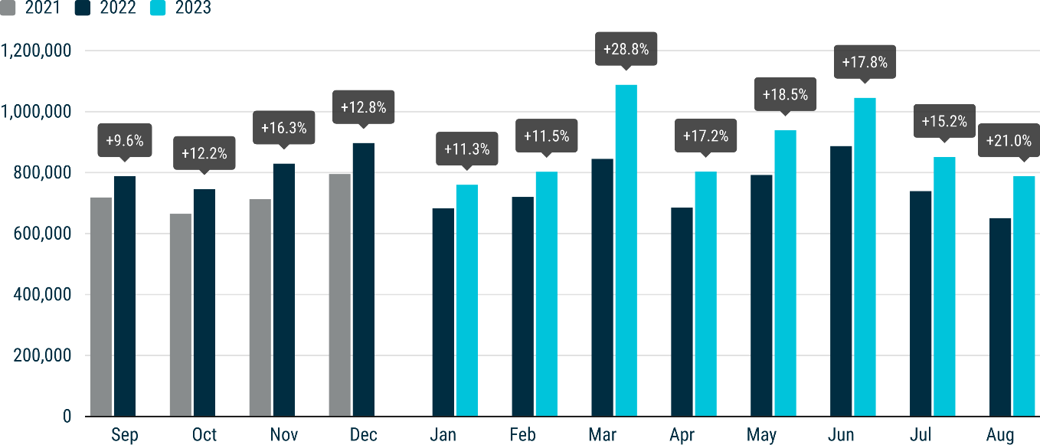
NEW CAR REGISTRATIONS BY POWER SOURCE In August, the market share of battery-electric cars exceeded 20% for the first time (up from 11.6% in August last year), overtaking diesel for the second time this year and becoming the third-most-popular choice for new car buyers. Hybrid-electric cars held their position as buyers’ second choice, with a 24% market share. While petrol cars are still the most popular choice, market share decreased from 38.7% in August last year to 32.7%.
Electric cars In August 2023, EU battery-electric car registrations surged by 118.1%, reaching 165,165 units, accounting for 21% of the market. Except for Malta (-22.6%), all EU markets saw double- and triple-digit percentage growth, with Germany, the largest market by volume, growing by a remarkable 170.7%. Belgium recorded the highest growth rate of 224.5%. Overall, battery-electric car sales increased by a significant 62.7%, with nearly 1 million units registered from January to August. In August, new EU hybrid-electric car registrations expanded by 29%, primarily driven by robust growth in three of its four largest markets: Germany (+59%), France (+38.7%), and Spain (+21.5%), while Italy recorded a slight decline (-2.3%). This resulted in a cumulative 28.6% increase, with nearly 1.8 million units sold between January and August, equivalent to a quarter of the market. Last month, new EU plug-in hybrid car registrations grew by 5.5%, totalling 58,557 units. Strong performance in major markets such as the Netherlands (+44.7%), France (+40.5%), and Sweden (+24.9%) helped offset the decline in Germany (-41.1%), the largest market for this power source. Despite this growth, the market share of plug-in hybrid cars decreased from 8.5% to 7.4% in August this year.
 | 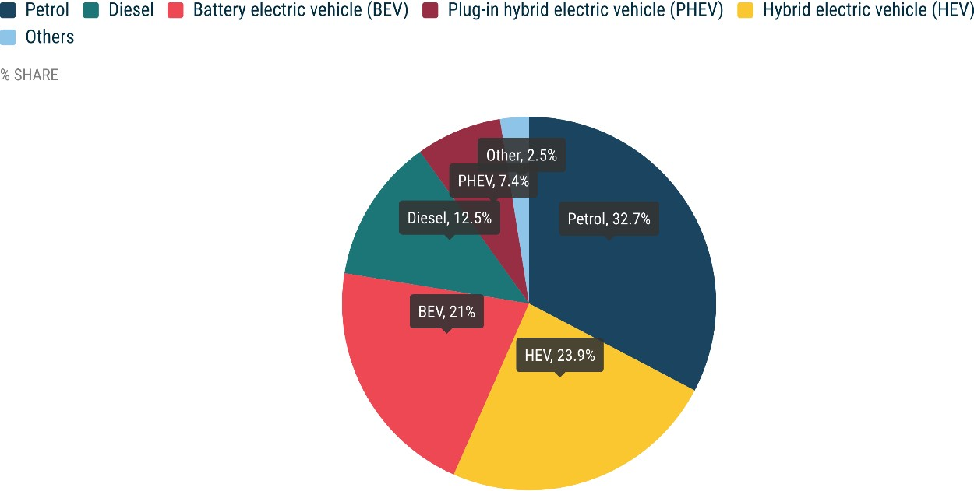
Petrol and diesel cars In August, the EU petrol car market slightly increased by 2.1%, although its market share decreased from 38.7% to 32.7% compared to August last year. A solid performance in Italy (+25.3%) and France (+21.5%) primarily drove this growth, while most of the bloc’s markets declined. Conversely, the EU’s diesel car market continued its decline in August (-6%), despite growth in Germany (+9.2%) and Central and Eastern European markets, notably Slovakia (+22.6%) and Romania (+19.4%). Diesel cars now have a market share of 12.5%, down from 16.1% in August of the previous year.
MONTHLY2
 | BATTERY ELECTRIC |  |  | PLUG-IN HYBRID |  |  | HYBRID ELECTRIC1 |  |  | OTHERS2 |  |  | PETROL |  |  | DIESEL |  |  | TOTAL
 | August 2023 | August 2022 | % change 23/22 | August 2023 | August 2022 | % change 23/22 | August 2023 | August 2022 | % change 23/22 | August 2023 | August 2022 | % change 23/22 | August 2023 | August 2022 | % change 23/22 | August 2023 | August 2022 | % change 23/22 | August 2023 | August 2022 | % change 23/22
Austria | 3,945 | 2,639 | +49.5 | 1,442 | 853 | +69.1 | 4,036 | 3,464 | +16.5 | 1 | 5 | -80.0 | 5,545 | 6,457 | -14.1 | 3,821 | 4,396 | -13.1 | 18,790 | 17,814 | +5.5
Belgium | 9,241 | 2,848 | +224.5 | 8,639 | 4,264 | +102.6 | 2,562 | 2,352 | +8.9 | 151 | 166 | -9.0 | 13,647 | 14,685 | -7.1 | 2,558 | 4,602 | -44.4 | 36,798 | 28,917 | +27.3
Bulgaria | 151 | 59 | +155.9 | 50 | 14 | +257.1 | 80 | 32 | +150.0 | 0 | 0 | #DIV/0! | 2,493 | 1,734 | +43.8 | 647 | 643 | +0.6 | 3,421 | 2,482 | +37.8
Croatia | 149 | 117 | +27.4 | 75 | 77 | -2.6 | 902 | 486 | +85.6 | 133 | 95 | +40.0 | 1,492 | 1,804 | -17.3 | 676 | 621 | +8.9 | 3,427 | 3,200 | +7.1
Cyprus | 41 | 34 | +20.6 | 26 | 18 | +44.4 | 246 | 243 | +1.2 | 0 | 0 | #DIV/0! | 407 | 327 | +24.5 | 16 | 22 | -27.3 | 736 | 644 | +14.3
Czechia | 595 | 339 | +75.5 | 509 | 240 | +112.1 | 3,815 | 2,380 | +60.3 | 254 | 409 | -37.9 | 9,877 | 9,906 | -0.3 | 3,668 | 3,307 | +10.9 | 18,718 | 16,581 | +12.9
Denmark | 4,777 | 2,443 | +95.5 | 1,236 | 2,305 | -46.4 | 2,023 | 2,535 | -20.2 | 0 | 1 | -100.0 | 4,807 | 4,726 | +1.7 | 713 | 742 | -3.9 | 13,556 | 12,752 | +6.3
Estonia | 124 | 55 | +125.5 | 52 | 30 | +73.3 | 772 | 543 | +42.2 | 3 | 43 | -93.0 | 621 | 766 | -18.9 | 196 | 291 | -32.6 | 1,768 | 1,728 | +2.3
Finland | 2,812 | 1,590 | +76.9 | 1,768 | 1,291 | +36.9 | 1,797 | 2,131 | -15.7 | 31 | 75 | -58.7 | 1,030 | 1,618 | -36.3 | 385 | 409 | -5.9 | 7,823 | 7,114 | +10.0
France | 19,657 | 12,302 | +59.8 | 9,527 | 6,780 | +40.5 | 27,166 | 19,587 | +38.7 | 4,290 | 3,253 | +31.9 | 42,743 | 35,172 | +21.5 | 10,216 | 14,309 | -28.6 | 113,599 | 91,403 | +24.3
Germany | 86,649 | 32,006 | +170.7 | 14,552 | 24,719 | -41.1 | 55,844 | 35,116 | +59.0 | 1,106 | 1,569 | -29.5 | 75,598 | 69,441 | +8.9 | 39,668 | 36,332 | +9.2 | 273,417 | 199,183 | +37.3
Greece | 403 | 198 | +103.5 | 636 | 381 | +66.9 | 3,684 | 2,003 | +83.9 | 229 | 262 | -12.6 | 4,071 | 4,160 | -2.1 | 1,345 | 1,654 | -18.7 | 10,368 | 8,658 | +19.8
Hungary | 476 | 415 | +14.7 | 512 | 387 | +32.3 | 3,814 | 3,163 | +20.6 | 26 | 48 | -45.8 | 3,082 | 4,780 | -35.5 | 1,041 | 1,193 | -12.7 | 8,951 | 9,986 | -10.4
Ireland | 1,772 | 1,484 | +19.4 | 1,021 | 555 | +84.0 | 1,275 | 927 | +37.5 | 0 | 3 | -100.0 | 1,980 | 3,169 | -37.5 | 2,064 | 2,016 | +2.4 | 8,112 | 8,154 | -0.5
Italy | 4,055 | 2,291 | +77.0 | 3,328 | 2,456 | +35.5 | 27,213 | 27,850 | -2.3 | 7,909 | 6,624 | +19.4 | 24,002 | 19,154 | +25.3 | 13,220 | 12,842 | +2.9 | 79,727 | 71,217 | +11.9
Latvia | 130 | 112 | +16.1 | 29 | 24 | +20.8 | 530 | 425 | +24.7 | 19 | 36 | -47.2 | 628 | 611 | +2.8 | 262 | 280 | -6.4 | 1,598 | 1,488 | +7.4
Lithuania | 147 | 103 | +42.7 | 0 | 0 | #DIV/0! | 963 | 876 | +9.9 | 0 | 0 | #DIV/0! | 824 | 1,030 | -20.0 | 309 | 237 | +30.4 | 2,243 | 2,246 | -0.1
Luxembourg | 924 | 350 | +164.0 | 347 | 221 | +57.0 | 666 | 644 | +3.4 | 0 | 0 | #DIV/0! | 1,005 | 1,080 | -6.9 | 474 | 673 | -29.6 | 3,416 | 2,968 | +15.1
Malta | 89 | 115 | -22.6 | 73 | 107 | -31.8 | 127 | 107 | +18.7 | 0 | 0 | #DIV/0! | 304 | 206 | +47.6 | 67 | 35 | +91.4 | 660 | 570 | +15.8
Netherlands | 9,174 | 5,766 | +59.1 | 3,413 | 2,359 | +44.7 | 6,903 | 5,489 | +25.8 | 185 | 116 | +59.5 | 7,857 | 9,453 | -16.9 | 293 | 276 | +6.2 | 27,825 | 23,459 | +18.6
Poland | 1,237 | 893 | +38.5 | 868 | 871 | -0.3 | 15,200 | 10,299 | +47.6 | 805 | 946 | -14.9 | 14,804 | 17,343 | -14.6 | 3,263 | 3,401 | -4.1 | 36,177 | 33,753 | +7.2
Portugal | 3,068 | 1,178 | +160.4 | 2,191 | 970 | +125.9 | 1,692 | 2,232 | -24.2 | 752 | 158 | +375.9 | 3,883 | 4,839 | -19.8 | 1,464 | 2,057 | -28.8 | 13,050 | 11,434 | +14.1
Romania | 1,608 | 901 | +78.5 | 0 | 0 | #DIV/0! | 4,106 | 3,200 | +28.3 | 1,450 | 1,266 | +14.5 | 4,237 | 5,923 | -28.5 | 1,490 | 1,248 | +19.4 | 12,891 | 12,538 | +2.8
Slovakia | 189 | 124 | +52.4 | 280 | 109 | +156.9 | 2,098 | 1,492 | +40.6 | 145 | 140 | +3.6 | 3,420 | 3,725 | -8.2 | 1,355 | 1,105 | +22.6 | 7,487 | 6,695 | +11.8
Slovenia | 385 | 163 | +136.2 | 64 | 39 | +64.1 | 280 | 514 | -45.5 | 30 | 77 | -61.0 | 1,899 | 1,973 | -3.8 | 582 | 573 | +1.6 | 3,240 | 3,339 | -3.0
Spain | 3,583 | 1,401 | +155.7 | 3,362 | 2,773 | +21.2 | 18,876 | 15,534 | +21.5 | 1,584 | 910 | +74.1 | 21,876 | 22,333 | -2.0 | 6,676 | 8,956 | -25.5 | 55,957 | 51,907 | +7.8
Sweden | 9,784 | 5,813 | +68.3 | 4,557 | 3,649 | +24.9 | 1,889 | 2,546 | -25.8 | 543 | 653 | -16.8 | 5,286 | 5,604 | -5.7 | 1,812 | 2,311 | -21.6 | 23,871 | 20,576 | +16.0
EUROPEAN UNION | 165,165 | 75,739 | +118.1 | 58,557 | 55,492 | +5.5 | 188,559 | 146,170 | +29.0 | 19,646 | 16,855 | +16.6 | 257,418 | 252,019 | +2.1 | 98,281 | 104,531 | -6.0 | 787,626 | 650,806 | +21.0
Iceland | 700 | 272 | +157.4 | 121 | 200 | -39.5 | 131 | 154 | -14.9 | 0 | 0 | #DIV/0! | 81 | 105 | -22.9 | 133 | 246 | -45.9 | 1,166 | 977 | +19.3
Norway | 9,250 | 9,245 | +0.1 | 724 | 1,394 | -48.1 | 675 | 961 | -29.8 | 0 | 2 | -100.0 | 122 | 288 | -57.6 | 312 | 473 | -34.0 | 11,083 | 12,363 | -10.4
Switzerland | 4,289 | 2,294 | +87.0 | 1,715 | 1,250 | +37.2 | 5,165 | 4,054 | +27.4 | 1 | 23 | -95.7 | 6,038 | 6,715 | -10.1 | 1,769 | 2,048 | -13.6 | 18,977 | 16,384 | +15.8
EFTA | 14,239 | 11,811 | +20.6 | 2,560 | 2,844 | -10.0 | 5,971 | 5,169 | +15.5 | 1 | 25 | -96.0 | 6,241 | 7,108 | -12.2 | 2,214 | 2,767 | -20.0 | 31,226 | 29,724 | +5.1
United Kingdom | 17,243 | 10,006 | +72.3 | 6,601 | 3,884 | +70.0 | 23,410 | 18,861 | +24.1 | 0 | 0 | #DIV/0! | 34,756 | 31,652 | +9.8 | 3,647 | 4,455 | -18.1 | 85,657 | 68,858 | +24.4
EU + EFTA + UK | 196,647 | 97,556 | +101.6 | 67,718 | 62,220 | +8.8 | 217,940 | 170,200 | +28.0 | 19,647 | 16,880 | +16.4 | 298,415 | 290,779 | +2.6 | 104,142 | 111,753 | -6.8 | 904,509 | 749,388 | +20.7
1 Includes full and mild hybrids 2 Includes fuel cell electric vehicles, natural gas vehicles, LPG, E85/ethanol, and other fuels

YEAR TO DATE

Juillet 23-22 Sales
NEW PASSENGER CAR REGISTRATIONS, EUROPEAN UNION
PRESS RELEASE EMBARGO 8.00 CEST (6.00 GMT), 30 August 2023
New car registrations: +15.2% in July, battery electric 13.6% market share
PASSENGER CAR REGISTRATIONS In July 2023, the EU car market continued its growth trajectory, expanding by 15.2% – the twelfth consecutive month of growth. New car registrations reached 851,156 units as the bloc recovers from last year's component shortages. Most markets posted solid growth, including the four largest: France (+19.9%), Germany (+18.1%), Spain (+10.7%) and Italy (+8.7%). From January to July 2023, new EU car registrations grew significantly (+17.6%), totalling 6.3 million units. Despite indications of the European automotive industry's recovery from pandemic-related supply disruptions, year-to-date volumes are still 22% lower than in 2019. There were double-digit percentage gains in most markets during this seven-month period, including the four largest: Spain (+21.9%), Italy (+20.9%), France (+15.8%), and Germany (+13.6%).
Data source: the European Automobile Manufacturers’ Association (ACEA), based on aggregated data provided by national automobile associations, ACEA members and S&P Global Mobility. © Reproduction of the content of this document is not permitted without the prior written consent of ACEA. Whenever reproduction is permitted, ACEA shall be referred to as source of the information. Quoting or referring to this document is permitted provided ACEA is referred to as the source of the information.

 | 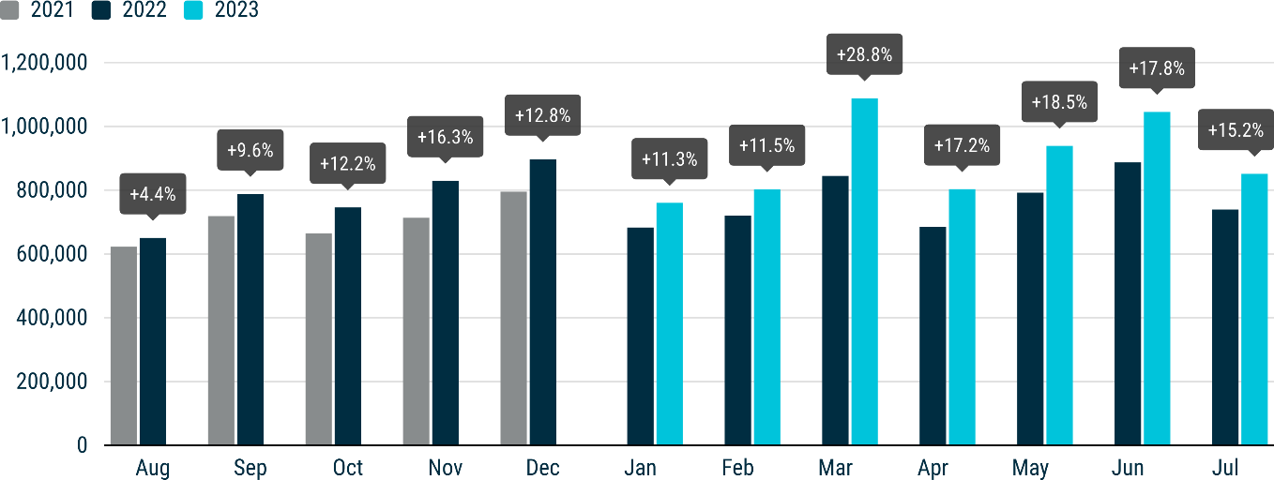
FUEL TYPES OF NEW CARS In July, the market share of battery-electric cars rose to 13.6% (up from 9.8% the same month last year). Hybrid-electric cars maintained their position as the second choice among new car buyers, capturing over a quarter of the market. However, internal combustion engine (ICE) cars, including petrol and diesel models, retained a combined market share of half of new car sales.
Electric cars In July, new EU battery-electric car registrations substantially increased by 60.6%, reaching 115,971 units while accounting for 13.6% of the market. Most EU markets grew significantly by double- and triple-digit percentage gains, including the two largest, Germany (+68.9%) and France (+32.4%). Notably, Belgium recorded the highest sales with an impressive 235.9% growth. Cumulatively, battery-electric car sales recorded a significant 54.7% increase from January to July, with 819,725 units registered. New hybrid-electric car registrations surged by 31.6% in July, primarily fuelled by solid growth in the region’s largest markets: Germany (+46.6%), France (+32.8%), Spain (+30.8%), and Italy (+16.7%). This led to a cumulative 28.5% increase, with almost 1.6 million units sold between January and July, equivalent to one-quarter of the market share. Last month, new EU plug-in hybrid car registrations increased by 14.5%, reaching 67,060 units. Strong performance in major markets like the Netherlands (+107.6%), France (+80%), and Spain (+42.7%) was offset by a decline in Germany (-39.5%), the largest market for this fuel type. Despite this growth, the market share of plug-in hybrid cars remained stable at 7.9% in July.
 | 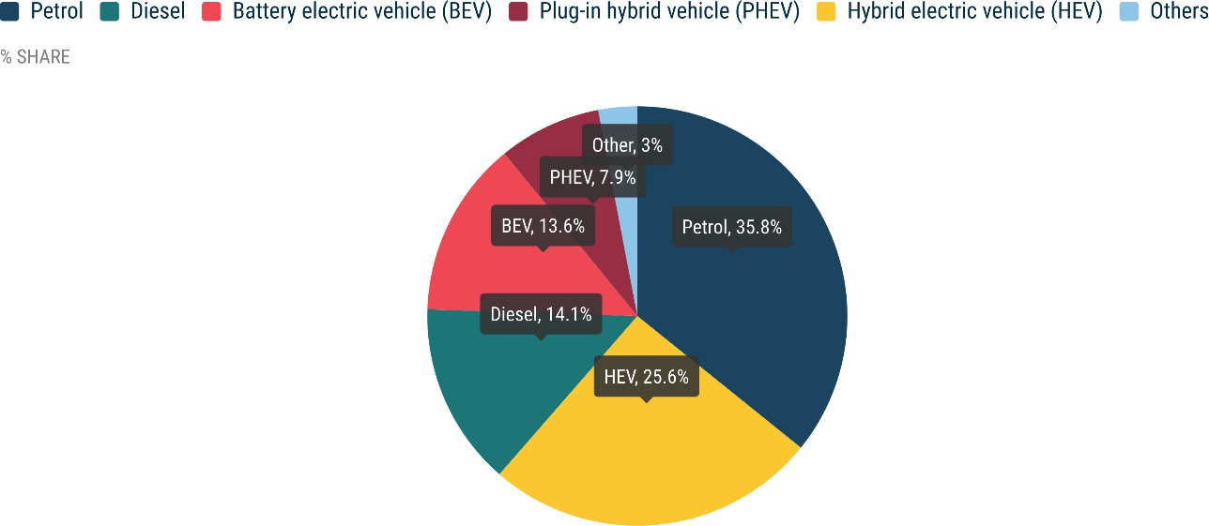
Petrol and diesel cars In July, the EU petrol car market grew by 5%, reaching 304,903 units. However, market share decreased from 39.3% to 35.8% compared to last July. This growth was primarily driven by a solid performance in major markets, notably France (+16.4%) and Germany (+12.5%). Over 2.3 million petrol cars were sold in the first seven months of this year, a substantial 14.3% increase compared to 2022. On the other hand, the EU's market for diesel cars continued to decline (-9.1% in July) despite growth in Germany (+2.7%) and Central and Eastern European markets, particularly Slovakia (+36.1%) and Romania (+19.8%). Diesel cars now account for a market share of 14.1%, down from 17.9% in July last year.
MONTHLY
 | BATTERY ELECTRIC |  |  | PLUG-IN HYBRID |  |  | HYBRID ELECTRIC1 |  |  | OTHERS2 |  |  | PETROL |  |  | DIESEL |  |  | TOTAL
 | July 2023 | July 2022 | % change 23/22 | July 2023 | July 2022 | % change 23/22 | July 2023 | July 2022 | % change 23/22 | July 2023 | July 2022 | % change 23/22 | July 2023 | July 2022 | % change 23/22 | July 2023 | July 2022 | % change 23/22 | July 2023 | July 2022 | % change 23/22
Austria | 3,321 | 2,418 | +37.3 | 1,300 | 830 | +56.6 | 3,799 | 2,878 | +32.0 | 1 | 6 | -83.3 | 5,387 | 5,942 | -9.3 | 3,758 | 3,980 | -5.6 | 17,566 | 16,054 | +9.4
Belgium | 6,731 | 2,004 | +235.9 | 8,428 | 3,754 | +124.5 | 2,664 | 1,940 | +37.3 | 240 | 258 | -7.0 | 13,822 | 13,467 | +2.6 | 2,784 | 4,738 | -41.2 | 34,669 | 26,161 | +32.5
Bulgaria | 170 | 68 | +150.0 | 34 | 17 | +100.0 | 53 | 20 | +165.0 | 8 | 5 | +60.0 | 2,409 | 2,070 | +16.4 | 696 | 652 | +6.7 | 3,370 | 2,832 | +19.0
Croatia | 117 | 170 | -31.2 | 85 | 98 | -13.3 | 1,177 | 718 | +63.9 | 117 | 213 | -45.1 | 2,559 | 2,727 | -6.2 | 1,086 | 1,202 | -9.7 | 5,141 | 5,128 | +0.3
Cyprus | 109 | 46 | +137.0 | 83 | 11 | +654.5 | 589 | 353 | +66.9 | 0 | 0 |  | 865 | 669 | +29.3 | 39 | 29 | +34.5 | 1,685 | 1,108 | +52.1
Czech Republic | 468 | 315 | +48.6 | 453 | 213 | +112.7 | 2,870 | 1,905 | +50.7 | 220 | 561 | -60.8 | 8,307 | 7,607 | +9.2 | 3,770 | 2,847 | +32.4 | 16,088 | 13,448 | +19.6
Denmark | 3,518 | 1,930 | +82.3 | 1,155 | 1,868 | -38.2 | 1,990 | 2,012 | -1.1 | 0 | 0 |  | 4,055 | 3,307 | +22.6 | 521 | 701 | -25.7 | 11,239 | 9,818 | +14.5
Estonia | 119 | 51 | +133.3 | 43 | 41 | +4.9 | 669 | 439 | +52.4 | 3 | 25 | -88.0 | 718 | 740 | -3.0 | 270 | 273 | -1.1 | 1,822 | 1,569 | +16.1
Finland | 1,702 | 862 | +97.4 | 1,631 | 1,131 | +44.2 | 1,720 | 1,811 | -5.0 | 87 | 38 | +128.9 | 940 | 1,282 | -26.7 | 317 | 379 | -16.4 | 6,397 | 5,503 | +16.2
France | 16,867 | 12,736 | +32.4 | 13,230 | 7,349 | +80.0 | 32,877 | 24,764 | +32.8 | 5,109 | 3,453 | +48.0 | 48,370 | 41,558 | +16.4 | 12,493 | 17,687 | -29.4 | 128,946 | 107,547 | +19.9
Germany | 48,682 | 28,815 | +68.9 | 14,345 | 23,712 | -39.5 | 53,138 | 36,250 | +46.6 | 1,258 | 1,654 | -23.9 | 83,358 | 74,094 | +12.5 | 42,496 | 41,386 | +2.7 | 243,277 | 205,911 | +18.1
Greece | 573 | 227 | +152.4 | 685 | 355 | +93.0 | 4,273 | 2,644 | +61.6 | 418 | 450 | -7.1 | 4,738 | 5,203 | -8.9 | 1,693 | 1,995 | -15.1 | 12,380 | 10,874 | +13.8
Hungary | 356 | 348 | +2.3 | 537 | 351 | +53.0 | 3,187 | 2,670 | +19.4 | 32 | 82 | -61.0 | 3,021 | 4,206 | -28.2 | 1,207 | 1,296 | -6.9 | 8,340 | 8,953 | -6.8
Ireland | 4,145 | 2,729 | +51.9 | 2,026 | 1,459 | +38.9 | 6,035 | 4,065 | +48.5 | 0 | 34 | -100.0 | 8,792 | 7,207 | +22.0 | 6,108 | 6,410 | -4.7 | 27,106 | 21,904 | +23.7
Italy | 4,091 | 3,576 | +14.4 | 5,283 | 4,896 | +7.9 | 42,414 | 36,352 | +16.7 | 11,802 | 9,370 | +26.0 | 34,484 | 33,085 | +4.2 | 21,072 | 22,338 | -5.7 | 119,146 | 109,617 | +8.7
Latvia | 112 | 78 | +43.6 | 32 | 41 | -22.0 | 442 | 353 | +25.2 | 28 | 40 | -30.0 | 779 | 706 | +10.3 | 293 | 251 | +16.7 | 1,686 | 1,469 | +14.8
Lithuania | 159 | 159 | +0.0 | 0 | 0 |  | 1,089 | 623 | +74.8 | 0 | 0 |  | 826 | 1,085 | -23.9 | 255 | 263 | -3.0 | 2,329 | 2,130 | +9.3
Luxembourg | 906 | 433 | +109.2 | 394 | 344 | +14.5 | 891 | 756 | +17.9 | 0 | 0 |  | 1,391 | 1,347 | +3.3 | 626 | 841 | -25.6 | 4,208 | 3,721 | +13.1
Malta | 87 | 116 | -25.0 | 98 | 143 | -31.5 | 125 | 105 | +19.0 | 1 | 1 | +0.0 | 307 | 353 | -13.0 | 82 | 33 | +148.5 | 700 | 751 | -6.8
Netherlands | 7,552 | 4,979 | +51.7 | 4,211 | 2,028 | +107.6 | 7,430 | 5,431 | +36.8 | 160 | 136 | +17.6 | 9,036 | 9,016 | +0.2 | 298 | 351 | -15.1 | 28,687 | 21,941 | +30.7
Poland | 1,153 | 798 | +44.5 | 1,053 | 696 | +51.3 | 13,570 | 10,660 | +27.3 | 946 | 966 | -2.1 | 16,089 | 17,316 | -7.1 | 3,577 | 4,267 | -16.2 | 36,388 | 34,703 | +4.9
Portugal | 2,697 | 1,271 | +112.2 | 2,475 | 1,219 | +103.0 | 2,663 | 2,150 | +23.9 | 735 | 381 | +92.9 | 5,777 | 6,961 | -17.0 | 1,727 | 2,683 | -35.6 | 16,074 | 14,665 | +9.6
Romania | 2,006 | 1,076 | +86.4 | 0 | 0 |  | 4,031 | 3,215 | +25.4 | 1,575 | 1,284 | +22.7 | 4,446 | 5,212 | -14.7 | 1,572 | 1,312 | +19.8 | 13,630 | 12,099 | +12.7
Slovakia | 163 | 108 | +50.9 | 327 | 105 | +211.4 | 2,109 | 1,240 | +70.1 | 146 | 119 | +22.7 | 3,851 | 3,617 | +6.5 | 1,405 | 1,032 | +36.1 | 8,001 | 6,221 | +28.6
Slovenia | 276 | 135 | +104.4 | 90 | 53 | +69.8 | 325 | 436 | -25.5 | 69 | 65 | +6.2 | 2,247 | 2,325 | -3.4 | 769 | 782 | -1.7 | 3,776 | 3,796 | -0.5
Spain | 3,404 | 2,080 | +63.7 | 5,180 | 3,630 | +42.7 | 26,243 | 20,056 | +30.8 | 2,299 | 1,218 | +88.8 | 34,428 | 34,080 | +1.0 | 9,651 | 12,314 | -21.6 | 81,205 | 73,378 | +10.7
Sweden | 6,487 | 4,677 | +38.7 | 3,882 | 4,239 | -8.4 | 1,157 | 1,490 | -22.3 | 422 | 245 | +72.2 | 3,901 | 5,218 | -25.2 | 1,451 | 1,965 | -26.2 | 17,300 | 17,834 | -3.0
EUROPEAN UNION | 115,971 | 72,205 | +60.6 | 67,060 | 58,583 | +14.5 | 217,530 | 165,336 | +31.6 | 25,676 | 20,604 | +24.6 | 304,903 | 290,400 | +5.0 | 120,016 | 132,007 | -9.1 | 851,156 | 739,135 | +15.2
Iceland | 441 | 319 | +38.2 | 119 | 350 | -66.0 | 282 | 383 | -26.4 | 0 | 0 |  | 186 | 231 | -19.5 | 239 | 342 | -30.1 | 1,267 | 1,625 | -22.0
Norway | 6,148 | 5,121 | +20.1 | 613 | 890 | -31.1 | 443 | 655 | -32.4 | 0 | 2 | -100.0 | 109 | 247 | -55.9 | 212 | 332 | -36.1 | 7,525 | 7,247 | +3.8
Switzerland | 3,649 | 2,016 | +81.0 | 1,777 | 1,388 | +28.0 | 4,887 | 3,504 | +39.5 | 4 | 20 | -80.0 | 6,301 | 6,774 | -7.0 | 1,981 | 1,973 | +0.4 | 18,599 | 15,675 | +18.7
EFTA | 10,238 | 7,456 | +37.3 | 2,509 | 2,628 | -4.5 | 5,612 | 4,542 | +23.6 | 4 | 22 | -81.8 | 6,596 | 7,252 | -9.0 | 2,432 | 2,647 | -8.1 | 27,391 | 24,547 | +11.6
United Kingdom | 23,010 | 12,243 | +87.9 | 11,702 | 6,533 | +79.1 | 45,372 | 35,882 | +26.4 | 0 | 0 |  | 58,150 | 51,294 | +13.4 | 5,687 | 6,210 | -8.4 | 143,921 | 112,162 | +28.3
EU + EFTA + UK | 149,219 | 91,904 | +62.4 | 81,271 | 67,744 | +20.0 | 268,514 | 205,760 | +30.5 | 25,680 | 20,626 | +24.5 | 369,649 | 348,946 | +5.9 | 128,135 | 140,864 | -9.0 | 1,022,468 | 875,844 | +16.7
1 Includes full and mild hybrids 2 Includes fuel cell electric vehicles, natural gas vehicles, LPG, E85/ethanol, and other fuels

YEAR TO DATE

Juin 23-22 Sales
NEW PASSENGER CAR REGISTRATIONS, EUROPEAN UNION
PRESS RELEASE EMBARGO 8.00 CEST (6.00 GMT), 19 July 2023
New car registrations: +17.8% in June, battery electric 15.1% market share
PASSENGER CAR REGISTRATIONS In June 2023, the EU car market grew by 17.8% to 1 million registered units. This growth can be attributed to the region’s rebound from a low comparison base last year, primarily driven by vehicle component shortages. Except for Hungary (-1.4%), all the EU markets grew, including the four largest: Germany (+24.8%), Spain (+13.3%), France (+11.5%), and Italy (+9.1%). In the first half of 2023, new EU car registrations increased significantly (+17.9%), reaching 5.4 million units. The recent months’ improvements indicate that the European automotive industry is recovering from supply disruptions caused by the pandemic. However, cumulative volumes are 21% lower compared to 2019. Most of the region’s markets grew significantly in the first six months of 2023, including the four largest ones: Spain (+24.0%), Italy (+22.8%), France (+15.3%), and Germany (+12.8%).
Data source: the European Automobile Manufacturers’ Association (ACEA), based on aggregated data provided by national automobile associations, ACEA members and S&P Global Mobility. © Reproduction of the content of this document is not permitted without the prior written consent of ACEA. Whenever reproduction is permitted, ACEA shall be referred to as source of the information. Quoting or referring to this document is permitted provided ACEA is referred to as the source of the information.

 | 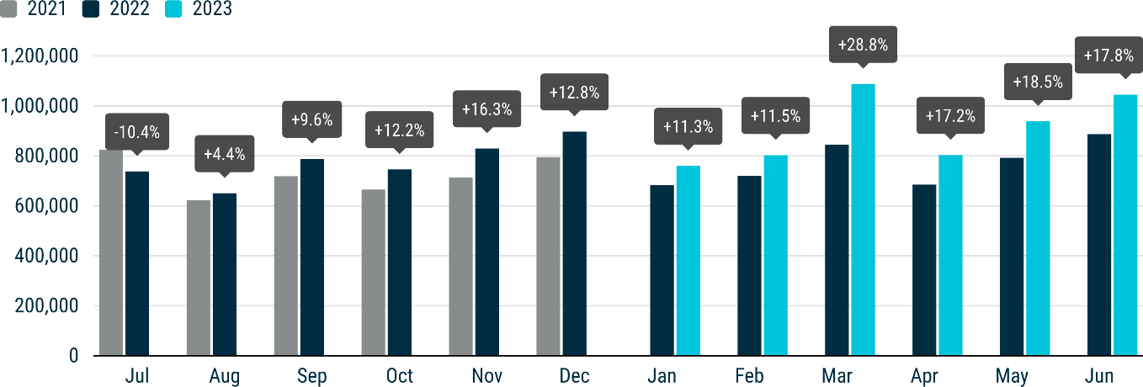
FUEL TYPES OF NEW CARS In June, the battery-electric car market share surged from 10.7% to 15.1%, overtaking diesel share for the first time. Hybrid-electric cars remained the second-most popular choice among new car buyers, representing 24.3% of the market. However, petrol cars retained the largest share, accounting for 36.3%.
Electric cars In June, new registrations of battery-electric cars in the EU increased by a significant 66.2%, reaching 158,252 units. This resulted in a market share of 15.1% (up from 10.7% in June 2022) and positioned battery-electric cars as the third most popular choice among new car buyers, overtaking diesel for the first time. Most EU markets recorded impressive double- and triple-digit percentage gains, including the largest, such as the Netherlands (+90.1%), Germany (+64.4%), and France (+52.0%). This contributed to a year-to-date growth of 53.8%, with 703,586 units sold between January and June. New hybrid-electric car registrations surged by 32.4% in June, reaching 254,100 units. This growth was primarily driven by substantial gains in the bloc’s largest markets: Germany (+59.1%), Italy (+29.9%), France (+27.9%), and Spain (+22.7%). Cumulatively, hybrid- electric car sales recorded a remarkable 27.9% increase from January to June, reaching nearly 1.4 million units and capturing 25% of the market. In June, the EU market for new plug-in hybrid cars rebounded, with registrations increasing by 13.4%. Although there was a significant 39.2% sales decline in Germany, the largest market for this fuel type, the substantial increase in France (+49.9%) and Spain (+51.7%) largely offset this decline. The overall market share of plug-in hybrid cars decreased to 7.9% from 8.2% in June last year, despite June’s increase in registrations.
 | 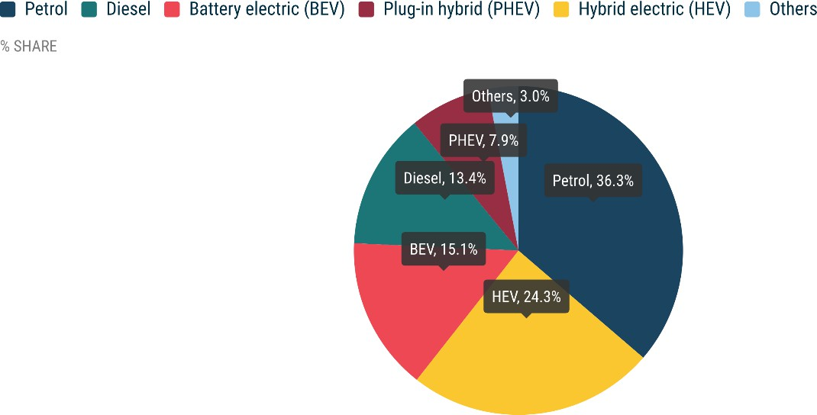
Petrol and diesel cars In June, the EU petrol car market grew 11%, totalling 379,067 units. However, the market share decreased to 36.3% from 38.5% in June 2022. The growth was primarily driven by solid gains in the four largest EU markets, particularly Germany (+19.8%) and Spain (+11.9%). Over 2 million petrol cars were sold in the EU in the first half of the year, a notable 15.9% increase compared to 2022. In contrast, the EU market for diesel cars continued to decline (-9.4%) last month, despite growth in Germany (+10.3%) and Central European markets, particularly Romania (+22.4%). Diesel cars now represent a market share of 13.4%, down from 17.4% in June last year.
MONTHLY
 | BATTERY ELECTRIC |  |  | PLUG-IN HYBRID |  |  | HYBRID ELECTRIC1 |  |  | OTHERS2 |  |  | PETROL |  |  | DIESEL |  |  | TOTAL
 | June 2023 | June 2022 | % change 23/22 | June 2023 | June 2022 | % change 23/22 | June 2023 | June 2022 | % change 23/22 | June 2023 | June 2022 | % change 23/22 | June 2023 | June 2022 | % change 23/22 | June 2023 | June 2022 | % change 23/22 | June 2023 | June 2022 | % change 23/22
Austria | 4,612 | 3,414 | +35.1 | 1,799 | 1,192 | +50.9 | 5,003 | 3,971 | +26.0 | 7 | 7 | +0.0 | 7,989 | 8,975 | -11.0 | 5,101 | 5,201 | -1.9 | 24,511 | 22,760 | +7.7
Belgium | 9,119 | 2,843 | +220.8 | 11,716 | 5,486 | +113.6 | 4,197 | 2,767 | +51.7 | 490 | 347 | +41.2 | 21,877 | 17,095 | +28.0 | 4,361 | 6,276 | -30.5 | 51,760 | 34,814 | +48.7
Bulgaria | 171 | 71 | +140.8 | 24 | 12 | +100.0 | 94 | 20 | +370.0 | 0 | 0 |  | 2,815 | 2,222 | +26.7 | 699 | 499 | +40.1 | 3,803 | 2,824 | +34.7
Croatia | 113 | 70 | +61.4 | 102 | 55 | +85.5 | 1,379 | 844 | +63.4 | 206 | 302 | -31.8 | 4,033 | 2,574 | +56.7 | 1,254 | 1,086 | +15.5 | 7,087 | 4,931 | +43.7
Cyprus | 72 | 48 | +50.0 | 25 | 15 | +66.7 | 538 | 404 | +33.2 | 0 | 0 |  | 429 | 514 | -16.5 | 46 | 42 | +9.5 | 1,110 | 1,023 | +8.5
Czech Republic | 637 | 609 | +4.6 | 498 | 316 | +57.6 | 3,399 | 2,928 | +16.1 | 475 | 648 | -26.7 | 10,433 | 10,057 | +3.7 | 5,038 | 4,180 | +20.5 | 20,480 | 18,738 | +9.3
Denmark | 6,352 | 2,573 | +146.9 | 2,267 | 2,781 | -18.5 | 3,359 | 3,032 | +10.8 | 1 | 0 |  | 5,343 | 5,389 | -0.9 | 984 | 1,026 | -4.1 | 18,306 | 14,801 | +23.7
Estonia | 138 | 46 | +200.0 | 61 | 52 | +17.3 | 809 | 574 | +40.9 | 10 | 23 | -56.5 | 979 | 964 | +1.6 | 264 | 272 | -2.9 | 2,261 | 1,931 | +17.1
Finland | 3,091 | 1,141 | +170.9 | 1,723 | 1,477 | +16.7 | 2,345 | 2,201 | +6.5 | 54 | 34 | +58.8 | 1,468 | 1,965 | -25.3 | 482 | 580 | -16.9 | 9,163 | 7,398 | +23.9
France | 33,280 | 21,888 | +52.0 | 17,935 | 11,962 | +49.9 | 46,098 | 36,051 | +27.9 | 7,551 | 7,774 | -2.9 | 68,275 | 63,031 | +8.3 | 17,708 | 30,381 | -41.7 | 190,847 | 171,087 | +11.5
Germany | 52,988 | 32,234 | +64.4 | 15,930 | 26,203 | -39.2 | 62,319 | 39,159 | +59.1 | 2,360 | 1,292 | +82.7 | 99,682 | 83,175 | +19.8 | 46,860 | 42,495 | +10.3 | 280,139 | 224,558 | +24.8
Greece | 637 | 318 | +100.3 | 695 | 475 | +46.3 | 4,065 | 3,573 | +13.8 | 319 | 334 | -4.5 | 5,874 | 5,217 | +12.6 | 1,804 | 1,174 | +53.7 | 13,394 | 11,091 | +20.8
Hungary | 334 | 364 | -8.3 | 483 | 309 | +56.3 | 3,290 | 2,579 | +27.6 | 90 | 156 | -42.2 | 3,938 | 4,625 | -14.9 | 1,225 | 1,458 | -16.0 | 9,360 | 9,491 | -1.4
Ireland | 1,431 | 188 | +661.2 | 115 | 70 | +64.3 | 432 | 270 | +60.0 | 0 | 5 | -100.0 | 558 | 776 | -28.1 | 453 | 845 | -46.4 | 2,989 | 2,154 | +38.8
Italy | 6,152 | 6,148 | +0.1 | 7,406 | 6,856 | +8.0 | 48,100 | 37,039 | +29.9 | 11,917 | 13,733 | -13.2 | 39,899 | 37,387 | +6.7 | 25,427 | 26,105 | -2.6 | 138,901 | 127,268 | +9.1
Latvia | 173 | 70 | +147.1 | 43 | 39 | +10.3 | 434 | 361 | +20.1 | 51 | 27 | +88.9 | 877 | 864 | +1.5 | 332 | 199 | +66.8 | 1,910 | 1,560 | +22.4
Lithuania | 192 | 85 | +125.9 | 0 | 0 |  | 1,322 | 878 | +50.6 | 0 | 0 |  | 1,079 | 1,253 | -13.9 | 460 | 303 | +51.8 | 3,053 | 2,519 | +21.2
Luxembourg | 1,095 | 482 | +127.2 | 514 | 299 | +71.9 | 829 | 646 | +28.3 | 0 | 0 |  | 1,638 | 1,289 | +27.1 | 691 | 874 | -20.9 | 4,767 | 3,590 | +32.8
Malta | 110 | 85 | +29.4 | 60 | 86 | -30.2 | 163 | 129 | +26.4 | 0 | 2 | -100.0 | 252 | 220 | +14.5 | 79 | 32 | +146.9 | 664 | 554 | +19.9
Netherlands | 13,892 | 7,308 | +90.1 | 5,087 | 2,714 | +87.4 | 9,479 | 6,732 | +40.8 | 301 | 403 | -25.3 | 12,214 | 12,423 | -1.7 | 392 | 436 | -10.1 | 41,365 | 30,016 | +37.8
Poland | 1,809 | 981 | +84.4 | 1,287 | 904 | +42.4 | 14,678 | 13,444 | +9.2 | 1,175 | 1,163 | +1.0 | 17,881 | 18,441 | -3.0 | 4,751 | 4,652 | +2.1 | 41,581 | 39,585 | +5.0
Portugal | 3,291 | 1,663 | +97.9 | 2,542 | 1,208 | +110.4 | 2,814 | 2,157 | +30.5 | 1,030 | 850 | +21.2 | 9,880 | 6,871 | +43.8 | 2,484 | 2,805 | -11.4 | 22,041 | 15,554 | +41.7
Romania | 1,575 | 830 | +89.8 | 0 | 0 |  | 4,098 | 3,317 | +23.5 | 1,542 | 1,422 | +8.4 | 4,402 | 4,227 | +4.1 | 1,556 | 1,271 | +22.4 | 13,173 | 11,067 | +19.0
Slovakia | 230 | 131 | +75.6 | 268 | 180 | +48.9 | 2,059 | 1,468 | +40.3 | 209 | 195 | +7.2 | 4,025 | 4,560 | -11.7 | 1,580 | 1,490 | +6.0 | 8,371 | 8,024 | +4.3
Slovenia | 328 | 238 | +37.8 | 122 | 39 | +212.8 | 395 | 645 | -38.8 | 39 | 116 | -66.4 | 2,893 | 2,429 | +19.1 | 892 | 926 | -3.7 | 4,669 | 4,393 | +6.3
Spain | 5,474 | 3,153 | +73.6 | 6,438 | 4,243 | +51.7 | 30,387 | 24,769 | +22.7 | 2,657 | 2,196 | +21.0 | 43,739 | 39,078 | +11.9 | 12,390 | 15,813 | -21.6 | 101,085 | 89,252 | +13.3
Sweden | 10,956 | 8,237 | +33.0 | 5,798 | 6,137 | -5.5 | 2,015 | 1,923 | +4.8 | 637 | 317 | +100.9 | 6,595 | 5,834 | +13.0 | 2,282 | 3,640 | -37.3 | 28,283 | 26,088 | +8.4
EUROPEAN UNION | 158,252 | 95,218 | +66.2 | 82,938 | 73,110 | +13.4 | 254,100 | 191,881 | +32.4 | 31,121 | 31,346 | -0.7 | 379,067 | 341,455 | +11.0 | 139,595 | 154,061 | -9.4 | 1,045,073 | 887,071 | +17.8
Iceland | 904 | 389 | +132.4 | 228 | 570 | -60.0 | 488 | 580 | -15.9 | 0 | 0 |  | 308 | 397 | -22.4 | 631 | 552 | +14.3 | 2,559 | 2,488 | +2.9
Norway | 12,800 | 11,715 | +9.3 | 1,354 | 1,666 | -18.7 | 823 | 552 | +49.1 | 1 | 5 | -80.0 | 231 | 410 | -43.7 | 357 | 551 | -35.2 | 15,566 | 14,899 | +4.5
Switzerland | 5,226 | 4,446 | +17.5 | 2,302 | 1,536 | +49.9 | 6,748 | 5,132 | +31.5 | 5 | 20 | -75.0 | 8,476 | 7,667 | +10.6 | 2,457 | 2,476 | -0.8 | 25,214 | 21,277 | +18.5
EFTA | 18,930 | 16,550 | +14.4 | 3,884 | 3,772 | +3.0 | 8,059 | 6,264 | +28.7 | 6 | 25 | -76.0 | 9,015 | 8,474 | +6.4 | 3,445 | 3,579 | -3.7 | 43,339 | 38,664 | +12.1
United Kingdom | 31,700 | 22,737 | +39.4 | 12,770 | 7,714 | +65.5 | 56,208 | 40,499 | +38.8 | 0 | 0 |  | 70,367 | 62,005 | +13.5 | 6,221 | 8,003 | -22.3 | 177,266 | 140,958 | +25.8
EU + EFTA + UK | 208,882 | 134,505 | +55.3 | 99,592 | 84,596 | +17.7 | 318,367 | 238,644 | +33.4 | 31,127 | 31,371 | -0.8 | 458,449 | 411,934 | +11.3 | 149,261 | 165,643 | -9.9 | 1,265,678 | 1,066,693 | +18.7
1 Includes full and mild hybrids 2 Includes fuel cell electric vehicles, natural gas vehicles, LPG, E85/ethanol, and other fuels

YEAR TO DATE

Mai 23-22 Sales
NEW PASSENGER CAR REGISTRATIONS, EUROPEAN UNION
PRESS RELEASE EMBARGO 8.00 CEST (6.00 GMT), 21 June 2023
New car registrations: +18.5% in May, battery electric 13.8% market share
PASSENGER CAR REGISTRATIONS In May 2023, the EU car market saw a significant increase in passenger car registrations, with nearly 1 million units, marking a 18.5% growth from the previous year. This is the tenth consecutive month of growth. All the EU’s four largest markets grew, with the strongest gains in Italy (+23.1%), Germany (+19.2%), and France (+14.8%).
From January to May 2023, the EU car market grew by 18%, to 4.4 million registered cars. Although the market improved in May, year-to-date sales are still 23% lower compared to the same month in 2019, when 5.7 million units were registered. In this five-month period, there were double-digit gains in most markets, including the four largest: Spain (+26.9%), Italy (+26.1%), France (+16.3%), and Germany (+10.2%).
Data source: the European Automobile Manufacturers’ Association (ACEA), based on aggregated data provided by national automobile associations, ACEA members and S&P Global Mobility. © Reproduction of the content of this document is not permitted without the prior written consent of ACEA. Whenever reproduction is permitted, ACEA shall be referred to as source of the information. Quoting or referring to this document is permitted provided ACEA is referred to as the source of the information.

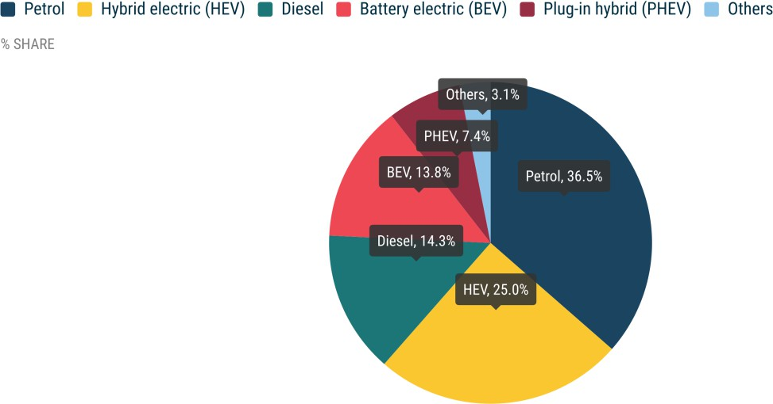 | 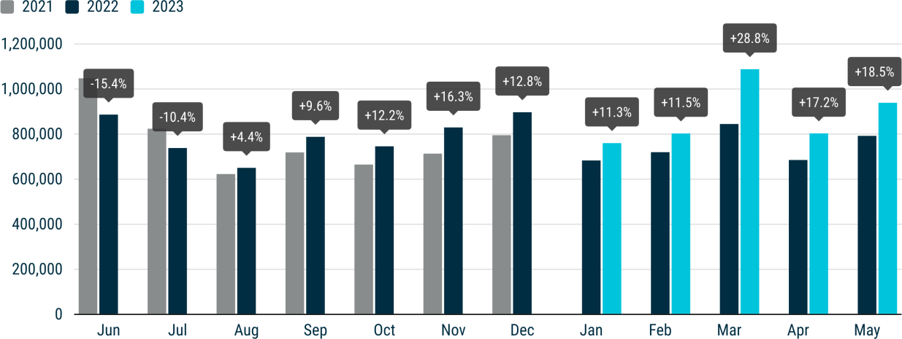
FUEL TYPES OF NEW CARS In May, the market share of battery electric cars saw a substantial increase from 9.6% to 13.8%. Hybrid electric cars are now the second-most popular choice for new car buyers, accounting for almost a quarter of the market. However, petrol cars still have the largest share at 36.5%.
Electric cars Last month, new registrations of battery electric cars in the EU experienced a significant boost, rising by 70.9% to reach 129,847 units. This equates to a market share of 13.8%, and a four-percentage-point increase compared to May 2022. Most EU markets recorded impressive double- and triple-digit percentage gains, including the four largest: the Netherlands (+118.4%), Sweden (+82.6%), France (+48.7%), and Germany (+46.6%). Overall, this resulted in a cumulative increase of 50.5%, with over half a million units sold from January to May. Hybrid electric cars maintained their growth momentum, as sales increased by 27.6% to reach 234,380 units in May. This result was largely driven by double-digit growth in the EU’s four largest markets: Germany (+54.5%), Italy (+27.2%), France (+22.1%), and Spain (+10.3%). As a result, hybrid electric cars are the second-most popular choice for new car buyers, accounting for almost a quarter of the market (up from 23.2% in May 2022). The EU market for new plug-in hybrid cars declined slightly, with registrations decreasing by 0.6% in May. This decline was primarily driven by a significant drop in sales in Germany (-40.5%), the largest market for this fuel type, as incentives for plug-in hybrids were discontinued at the end of 2022. As a result, the overall market share of plug-in hybrid cars decreased to 7.4% from 8.8% in May last year.
Petrol and diesel cars In May, the EU market for petrol cars grew by 12.6% to reach 342,806 units. Despite this, market share stood at 36.5%, nearly two percentage points less than in May 2022. Growth was mainly driven by increases in the four largest EU markets, most notably Italy (+23.9%), France (+18.3%), and Germany (+17.6%). From January to May, more than 1.6 million petrol cars were sold in the EU, a remarkable 17% increase from the same period in 2022. In contrast, the EU diesel car market declined by 2.9% last month, despite performing well in two of the bloc's largest markets: Italy (+24.3%) and Germany (+3.6%). Diesel cars now account for 14.3% of the EU market share, down from 17.4% in May 2022.
MONTHLY2
 | BATTERY ELECTRIC |  |  | PLUG-IN HYBRID |  |  | HYBRID ELECTRIC1 |  |  | OTHERS2 |  |  | PETROL |  |  | DIESEL |  |  | TOTAL
 | May 2023 | May 2022 | % change 23/22 | May 2023 | May 2022 | % change 23/22 | May 2023 | May 2022 | % change 23/22 | May 2023 | May 2022 | % change 23/22 | May 2023 | May 2022 | % change 23/22 | May 2023 | May 2022 | % change 23/22 | May 2023 | May 2022 | % change 23/22
Austria | 4,130 | 2,064 | +100.1 | 1,276 | 1,053 | +21.2 | 4,429 | 3,575 | +23.9 | 2 | 2 | +0.0 | 6,831 | 6,748 | +1.2 | 3,955 | 3,665 | +7.9 | 20,623 | 17,107 | +20.6
Belgium | 7,194 | 2,366 | +204.1 | 8,875 | 4,704 | +88.7 | 2,987 | 2,113 | +41.4 | 402 | 240 | +67.5 | 18,305 | 14,900 | +22.9 | 3,596 | 4,702 | -23.5 | 41,359 | 29,025 | +42.5
Bulgaria | 117 | 83 | +41.0 | 13 | 6 | +116.7 | 49 | 58 | -15.5 | 2 | 3 | -33.3 | 2,024 | 2,000 | +1.2 | 555 | 540 | +2.8 | 2,760 | 2,690 | +2.6
Croatia | 131 | 91 | +44.0 | 70 | 59 | +18.6 | 1,563 | 774 | +101.9 | 210 | 208 | +1.0 | 3,657 | 2,151 | +70.0 | 1,435 | 766 | +87.3 | 7,066 | 4,049 | +74.5
Cyprus | 42 | 45 | -6.7 | 37 | 29 | +27.6 | 618 | 429 | +44.1 | 0 | 0 |  | 959 | 754 | +27.2 | 56 | 47 | +19.1 | 1,712 | 1,304 | +31.3
Czech Republic | 575 | 290 | +98.3 | 373 | 311 | +19.9 | 3,359 | 2,758 | +21.8 | 348 | 214 | +62.6 | 10,479 | 9,905 | +5.8 | 5,164 | 4,595 | +12.4 | 20,298 | 18,073 | +12.3
Denmark | 4,446 | 2,197 | +102.4 | 1,507 | 2,396 | -37.1 | 2,970 | 2,430 | +22.2 | 0 | 0 |  | 4,261 | 5,465 | -22.0 | 828 | 1,008 | -17.9 | 14,012 | 13,496 | +3.8
Estonia | 149 | 87 | +71.3 | 54 | 33 | +63.6 | 796 | 733 | +8.6 | 5 | 21 | -76.2 | 987 | 973 | +1.4 | 298 | 327 | -8.9 | 2,289 | 2,174 | +5.3
Finland | 3,275 | 992 | +230.1 | 1,597 | 1,602 | -0.3 | 2,417 | 2,620 | -7.7 | 42 | 19 | +121.1 | 1,586 | 2,127 | -25.4 | 518 | 581 | -10.8 | 9,435 | 7,941 | +18.8
France | 22,667 | 15,245 | +48.7 | 12,657 | 11,270 | +12.3 | 34,395 | 28,176 | +22.1 | 6,382 | 3,991 | +59.9 | 54,267 | 45,857 | +18.3 | 15,168 | 22,270 | -31.9 | 145,536 | 126,809 | +14.8
Germany | 42,780 | 29,182 | +46.6 | 13,803 | 23,209 | -40.5 | 57,842 | 37,450 | +54.5 | 1,336 | 785 | +70.2 | 87,700 | 74,573 | +17.6 | 43,505 | 42,000 | +3.6 | 246,966 | 207,199 | +19.2
Greece | 720 | 234 | +207.7 | 725 | 525 | +38.1 | 3,715 | 3,119 | +19.1 | 277 | 290 | -4.5 | 6,144 | 6,221 | -1.2 | 1,376 | 1,602 | -14.1 | 12,957 | 11,991 | +8.1
Hungary | 479 | 350 | +36.9 | 432 | 464 | -6.9 | 3,372 | 3,609 | -6.6 | 37 | 85 | -56.5 | 3,498 | 4,193 | -16.6 | 1,181 | 1,437 | -17.8 | 8,999 | 10,138 | -11.2
Ireland | 1,718 | 743 | +131.2 | 670 | 339 | +97.6 | 1,482 | 867 | +70.9 | 0 | 16 | -100.0 | 2,111 | 1,905 | +10.8 | 1,550 | 1,425 | +8.8 | 7,531 | 5,295 | +42.2
Italy | 6,180 | 4,473 | +38.2 | 6,591 | 7,261 | -9.2 | 51,819 | 40,746 | +27.2 | 12,754 | 10,833 | +17.7 | 43,117 | 34,800 | +23.9 | 28,912 | 23,255 | +24.3 | 149,373 | 121,368 | +23.1
Latvia | 178 | 119 | +49.6 | 47 | 22 | +113.6 | 460 | 369 | +24.7 | 39 | 16 | +143.8 | 877 | 880 | -0.3 | 268 | 217 | +23.5 | 1,869 | 1,623 | +15.2
Lithuania | 219 | 153 | +43.1 | 0 | 0 |  | 1,083 | 967 | +12.0 | 0 | 0 |  | 1,032 | 1,244 | -17.0 | 344 | 262 | +31.3 | 2,678 | 2,626 | +2.0
Luxembourg | 911 | 634 | +43.7 | 417 | 310 | +34.5 | 802 | 561 | +43.0 | 0 | 0 |  | 1,677 | 1,283 | +30.7 | 595 | 746 | -20.2 | 4,402 | 3,534 | +24.6
Malta | 75 | 107 | -29.9 | 82 | 97 | -15.5 | 88 | 113 | -22.1 | 0 | 0 |  | 206 | 249 | -17.3 | 42 | 38 | +10.5 | 493 | 604 | -18.4
Netherlands | 10,985 | 5,029 | +118.4 | 4,285 | 2,866 | +49.5 | 7,625 | 5,563 | +37.1 | 158 | 140 | +12.9 | 9,725 | 9,291 | +4.7 | 357 | 507 | -29.6 | 33,135 | 23,396 | +41.6
Poland | 1,362 | 780 | +74.6 | 1,184 | 925 | +28.0 | 13,620 | 12,829 | +6.2 | 958 | 655 | +46.3 | 17,236 | 16,473 | +4.6 | 4,215 | 4,235 | -0.5 | 38,575 | 35,897 | +7.5
Portugal | 3,378 | 1,314 | +157.1 | 2,309 | 1,258 | +83.5 | 2,612 | 1,890 | +38.2 | 1,054 | 198 | +432.3 | 8,375 | 5,920 | +41.5 | 2,088 | 2,240 | -6.8 | 19,816 | 12,820 | +54.6
Romania | 1,402 | 692 | +102.6 | 0 | 0 |  | 4,157 | 2,984 | +39.3 | 1,559 | 1,077 | +44.8 | 4,982 | 4,123 | +20.8 | 1,541 | 1,322 | +16.6 | 13,641 | 10,198 | +33.8
Slovakia | 284 | 143 | +98.6 | 318 | 118 | +169.5 | 2,078 | 1,411 | +47.3 | 164 | 87 | +88.5 | 3,699 | 3,896 | -5.1 | 1,496 | 995 | +50.4 | 8,039 | 6,650 | +20.9
Slovenia | 384 | 159 | +141.5 | 71 | 39 | +82.1 | 824 | 601 | +37.1 | 32 | 62 | -48.4 | 2,701 | 2,986 | -9.5 | 859 | 953 | -9.9 | 4,871 | 4,800 | +1.5
Spain | 4,409 | 2,008 | +119.6 | 6,012 | 4,764 | +26.2 | 27,180 | 24,640 | +10.3 | 2,314 | 1,133 | +104.2 | 40,535 | 38,333 | +5.7 | 11,575 | 14,117 | -18.0 | 92,025 | 84,995 | +8.3
Sweden | 11,657 | 6,383 | +82.6 | 5,975 | 6,138 | -2.7 | 2,038 | 2,358 | -13.6 | 595 | 313 | +90.1 | 5,835 | 7,248 | -19.5 | 2,390 | 3,973 | -39.8 | 28,490 | 26,413 | +7.9
EUROPEAN UNION | 129,847 | 75,963 | +70.9 | 69,380 | 69,798 | -0.6 | 234,380 | 183,743 | +27.6 | 28,670 | 20,388 | +40.6 | 342,806 | 304,498 | +12.6 | 133,867 | 137,825 | -2.9 | 938,950 | 792,215 | +18.5
Iceland | 944 | 403 | +134.2 | 211 | 630 | -66.5 | 648 | 489 | +32.5 | 0 | 0 |  | 450 | 369 | +22.0 | 325 | 328 | -0.9 | 2,578 | 2,219 | +16.2
Norway | 10,772 | 8,443 | +27.6 | 1,092 | 1,375 | -20.6 | 1,042 | 808 | +29.0 | 1 | 2 | -50.0 | 157 | 486 | -67.7 | 278 | 423 | -34.3 | 13,342 | 11,537 | +15.6
Switzerland | 4,313 | 2,638 | +63.5 | 1,683 | 1,609 | +4.6 | 5,900 | 4,815 | +22.5 | 9 | 19 | -52.6 | 7,486 | 6,756 | +10.8 | 2,179 | 2,613 | -16.6 | 21,570 | 18,450 | +16.9
EFTA | 16,029 | 11,484 | +39.6 | 2,986 | 3,614 | -17.4 | 7,590 | 6,112 | +24.2 | 10 | 21 | -52.4 | 8,093 | 7,611 | +6.3 | 2,782 | 3,364 | -17.3 | 37,490 | 32,206 | +16.4
United Kingdom | 24,513 | 15,448 | +58.7 | 9,025 | 7,339 | +23.0 | 46,142 | 37,226 | +24.0 | 0 | 0 |  | 59,766 | 56,767 | +5.3 | 5,758 | 7,614 | -24.4 | 145,204 | 124,394 | +16.7
EU + EFTA + UK | 170,389 | 102,895 | +65.6 | 81,391 | 80,751 | +0.8 | 288,112 | 227,081 | +26.9 | 28,680 | 20,409 | +40.5 | 410,665 | 368,876 | +11.3 | 142,407 | 148,803 | -4.3 | 1,121,644 | 948,815 | +18.2
1 Includes full and mild hybrids 2 Includes fuel cell electric vehicles, natural gas vehicles, LPG, E85/ethanol, and other fuels

YEAR TO DATE

Avril 23-22 Sales
NEW PASSENGER CAR REGISTRATIONS, EUROPEAN UNION
PRESS RELEASE EMBARGO 8.00 CEST (6.00 GMT), 17 May 2023
New car registrations: +17.2% in April, battery electric 11.8% market share
PASSENGER CAR REGISTRATIONS In April 2023, the EU car market saw a significant increase in passenger car registrations, with 803,188 units sold, marking a 17.2% growth from the previous year. All the EU’s major markets grew solidly last month, with Italy (+29.2%) and France (+21.9%) leading the way.
From January to April 2023, the EU car market grew by 17.8% to 3.5 million registered cars. Despite the year-on-year improvement, sales were still down by 22.8% compared to the same period in 2019, highlighting the EU car market’s ongoing struggle. Among the four major EU markets, Spain (+33.7%) saw the highest gains, followed by Italy (+26.9%), France (+16.7%), and Germany (+7.9%). FUEL TYPES OF NEW CARS In April, the market share of battery electric cars experienced a significant upturn, rising from 9.1% to 11.8%. While hybrids now represent 24.8% of the EU new car market, petrol cars continue to dominate with the largest share at 38.2%.
Data source: the European Automobile Manufacturers’ Association (ACEA), based on aggregated data provided by national automobile associations, ACEA members and S&P Global Mobility. © Reproduction of the content of this document is not permitted without the prior written consent of ACEA. Whenever reproduction is permitted, ACEA shall be referred to as source of the information. Quoting or referring to this document is permitted provided ACEA is referred to as the source of the information.

 | 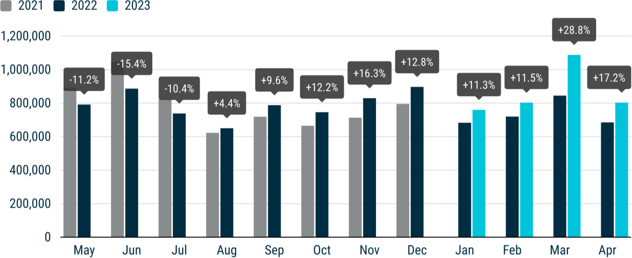
Electric cars Last month, EU registrations of new battery electric cars recorded a significant increase (+51.9%), reaching 94,561 units. This represents a market share of 11.8%, an increase of almost 3% compared to April 2022. Most EU markets recorded double- and triple-digit percentage gains, including the two largest: France (+34.8%) and Germany (+34.1%). This amounted to a cumulative increase of 45.1%, with 415,579 units sold in the first four months of 2023. Hybrid electric vehicles (HEVs) continued to grow in April, with sales up by 22.7% to 199,407 units. This growth was primarily due to double-digit increases in the EU’s four key markets: Germany (+35.9%), France (+28.6%), Italy (+28.3%), and Spain (+14.4%). As a result, HEVs now occupy a market share of 24.8% (up from 23.7% in April 2022). Despite a 4.3% growth in March, the EU market for plug-in hybrid vehicles (PHEVs) declined in April (-5.5%), with sales dropping significantly in Germany (-45.7%), the largest market for this fuel type. Consequently, the overall PHEV market share declined from 9.2% in April last year to 7.4% in 2023. Petrol and diesel cars New petrol car registrations in the EU had another strong month in April, with sales increasing by 17.3%, reaching 306,757 units. This amounts to a market share of 38.2%, the same share as in April 2022. Growth was mainly driven by solid results in the four key EU markets, particularly Italy (+39.3%) and France (+31.3%). Since the beginning of the year, EU petrol sales have reached nearly 1.3 million units, a remarkable 18.3% increase from the same period in 2022. The EU diesel car market remained stable in April (+0.03%), despite positive performance in two of the bloc’s largest markets: Italy (+21.5%) and Germany (+2.4%). Diesel cars represent 14.7% of the EU market share, down from 17.2% in April 2022.
 | 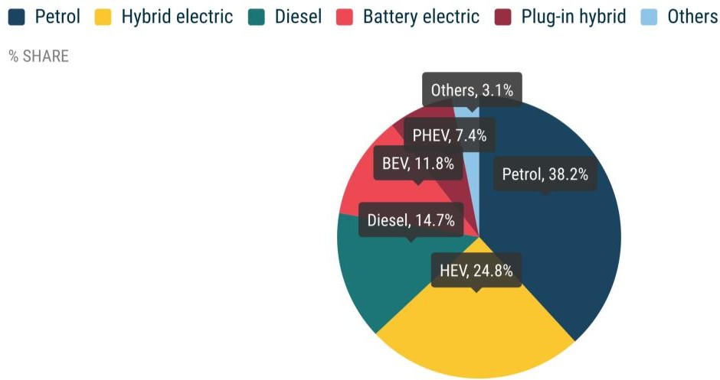
MONTHLY2
 | BATTERY ELECTRIC |  |  | PLUG-IN HYBRID |  |  | HYBRID ELECTRIC1 |  |  | OTHERS2 |  |  | PETROL |  |  | DIESEL |  |  | TOTAL
 | April 2023 | April 2022 | % change 23/22 | April 2023 | April 2022 | % change 23/22 | April 2023 | April 2022 | % change 23/22 | April 2023 | April 2022 | % change 23/22 | April 2023 | April 2022 | % change 23/22 | April 2023 | April 2022 | % change 23/22 | April 2023 | April 2022 | % change 23/22
Austria | 3,395 | 1,849 | +83.6 | 1,345 | 1,091 | +23.3 | 3,965 | 3,406 | +16.4 | 2 | 1 | +100.0 | 6,355 | 6,652 | -4.5 | 3,442 | 3,365 | +2.3 | 18,504 | 16,364 | +13.1
Belgium | 6,486 | 2,349 | +176.1 | 7,770 | 4,652 | +67.0 | 2,650 | 2,140 | +23.8 | 397 | 171 | +132.2 | 18,599 | 14,287 | +30.2 | 3,970 | 4,803 | -17.3 | 39,872 | 28,402 | +40.4
Bulgaria | 105 | 78 | +34.6 | 24 | 10 | +140.0 | 45 | 69 | -34.8 | 0 | 0 |  | 1,977 | 1,814 | +9.0 | 687 | 392 | +75.3 | 2,838 | 2,363 | +20.1
Croatia | 114 | 48 | +137.5 | 110 | 57 | +93.0 | 1,456 | 872 | +67.0 | 177 | 251 | -29.5 | 3,041 | 2,378 | +27.9 | 1,227 | 648 | +89.4 | 6,125 | 4,254 | +44.0
Cyprus | 16 | 15 | +6.7 | 22 | 17 | +29.4 | 236 | 296 | -20.3 | 0 | 0 |  | 468 | 382 | +22.5 | 41 | 37 | +10.8 | 783 | 747 | +4.8
Czech Republic | 472 | 265 | +78.1 | 375 | 259 | +44.8 | 2,988 | 2,244 | +33.2 | 348 | 328 | +6.1 | 9,633 | 8,155 | +18.1 | 4,613 | 3,463 | +33.2 | 18,429 | 14,714 | +25.2
Denmark | 3,471 | 1,452 | +139.0 | 1,519 | 1,849 | -17.8 | 2,399 | 2,236 | +7.3 | 0 | 0 |  | 4,042 | 4,748 | -14.9 | 635 | 725 | -12.4 | 12,066 | 11,010 | +9.6
Estonia | 112 | 79 | +41.8 | 30 | 45 | -33.3 | 707 | 600 | +17.8 | 8 | 17 | -52.9 | 813 | 772 | +5.3 | 253 | 265 | -4.5 | 1,923 | 1,778 | +8.2
Finland | 2,347 | 777 | +202.1 | 1,673 | 1,188 | +40.8 | 1,895 | 2,233 | -15.1 | 36 | 19 | +89.5 | 1,030 | 1,762 | -41.5 | 322 | 453 | -28.9 | 7,303 | 6,432 | +13.5
France | 17,113 | 12,692 | +34.8 | 10,882 | 10,266 | +6.0 | 30,933 | 24,046 | +28.6 | 6,215 | 3,839 | +61.9 | 53,478 | 40,731 | +31.3 | 13,885 | 17,150 | -19.0 | 132,506 | 108,724 | +21.9
Germany | 29,740 | 22,175 | +34.1 | 11,787 | 21,697 | -45.7 | 47,681 | 35,089 | +35.9 | 1,082 | 984 | +10.0 | 76,519 | 65,030 | +17.7 | 36,138 | 35,289 | +2.4 | 202,947 | 180,264 | +12.6
Greece | 463 | 229 | +102.2 | 434 | 533 | -18.6 | 3,017 | 2,641 | +14.2 | 359 | 222 | +61.7 | 4,768 | 4,163 | +14.5 | 1,198 | 1,501 | -20.2 | 10,239 | 9,289 | +10.2
Hungary | 400 | 279 | +43.4 | 426 | 407 | +4.7 | 3,374 | 3,775 | -10.6 | 65 | 61 | +6.6 | 3,059 | 3,385 | -9.6 | 1,225 | 1,183 | +3.6 | 8,549 | 9,090 | -6.0
Ireland | 1,862 | 1,280 | +45.5 | 841 | 585 | +43.8 | 1,416 | 1,352 | +4.7 | 0 | 37 | -100.0 | 3,054 | 2,252 | +35.6 | 1,744 | 2,351 | -25.8 | 8,917 | 7,857 | +13.5
Italy | 3,985 | 3,032 | +31.4 | 5,948 | 5,367 | +10.8 | 43,744 | 34,098 | +28.3 | 10,539 | 8,070 | +30.6 | 37,031 | 26,579 | +39.3 | 24,577 | 20,228 | +21.5 | 125,824 | 97,374 | +29.2
Latvia | 159 | 66 | +140.9 | 45 | 17 | +164.7 | 396 | 270 | +46.7 | 26 | 25 | +4.0 | 790 | 705 | +12.1 | 210 | 214 | -1.9 | 1,626 | 1,297 | +25.4
Lithuania | 190 | 91 | +108.8 | 0 | 0 |  | 855 | 837 | +2.2 | 0 | 0 |  | 1,021 | 1,222 | -16.4 | 257 | 195 | +31.8 | 2,323 | 2,345 | -0.9
Luxembourg | 765 | 480 | +59.4 | 402 | 328 | +22.6 | 716 | 555 | +29.0 | 0 | 0 |  | 1,594 | 1,217 | +31.0 | 699 | 761 | -8.1 | 4,176 | 3,341 | +25.0
Malta | 86 | 74 | +16.2 | 103 | 94 | +9.6 | 100 | 120 | -16.7 | 0 | 0 |  | 209 | 316 | -33.9 | 49 | 32 | +53.1 | 547 | 636 | -14.0
Netherlands | 8,316 | 4,742 | +75.4 | 3,754 | 3,140 | +19.6 | 7,362 | 5,758 | +27.9 | 111 | 120 | -7.5 | 9,623 | 7,587 | +26.8 | 503 | 591 | -14.9 | 29,669 | 21,938 | +35.2
Poland | 1,230 | 794 | +54.9 | 1,162 | 807 | +44.0 | 12,030 | 12,087 | -0.5 | 1,029 | 790 | +30.3 | 16,231 | 16,269 | -0.2 | 3,803 | 4,135 | -8.0 | 35,485 | 34,882 | +1.7
Portugal | 2,006 | 1,030 | +94.8 | 1,906 | 1,221 | +56.1 | 2,583 | 1,883 | +37.2 | 982 | 381 | +157.7 | 6,757 | 5,847 | +15.6 | 1,873 | 2,113 | -11.4 | 16,107 | 12,475 | +29.1
Romania | 881 | 830 | +6.1 | 0 | 0 |  | 2,836 | 2,238 | +26.7 | 1,186 | 625 | +89.8 | 3,642 | 3,592 | +1.4 | 1,320 | 1,184 | +11.5 | 9,865 | 8,469 | +16.5
Slovakia | 175 | 89 | +96.6 | 186 | 57 | +226.3 | 1,910 | 1,387 | +37.7 | 117 | 125 | -6.4 | 3,315 | 3,548 | -6.6 | 1,189 | 852 | +39.6 | 6,892 | 6,058 | +13.8
Slovenia | 307 | 113 | +171.7 | 84 | 29 | +189.7 | 436 | 503 | -13.3 | 48 | 58 | -17.2 | 2,552 | 2,453 | +4.0 | 911 | 762 | +19.6 | 4,338 | 3,918 | +10.7
Spain | 3,437 | 1,924 | +78.6 | 4,326 | 4,331 | -0.1 | 21,970 | 19,199 | +14.4 | 1,453 | 1,371 | +6.0 | 32,413 | 30,100 | +7.7 | 11,150 | 12,187 | -8.5 | 74,749 | 69,112 | +8.2
Sweden | 6,928 | 5,421 | +27.8 | 4,549 | 5,146 | -11.6 | 1,707 | 2,529 | -32.5 | 573 | 186 | +208.1 | 4,743 | 5,566 | -14.8 | 2,086 | 3,094 | -32.6 | 20,586 | 21,942 | -6.2
EUROPEAN UNION | 94,561 | 62,253 | +51.9 | 59,703 | 63,193 | -5.5 | 199,407 | 162,463 | +22.7 | 24,753 | 17,681 | +40.0 | 306,757 | 261,512 | +17.3 | 118,007 | 117,973 | +0.03 | 803,188 | 685,075 | +17.2
Iceland | 475 | 279 | +70.3 | 200 | 470 | -57.4 | 453 | 345 | +31.3 | 0 | 0 |  | 233 | 193 | +20.7 | 268 | 116 | +131.0 | 1,629 | 1,403 | +16.1
Norway | 7,471 | 7,200 | +3.8 | 703 | 982 | -28.4 | 399 | 709 | -43.7 | 0 | 5 | -100.0 | 112 | 513 | -78.2 | 291 | 314 | -7.3 | 8,976 | 9,723 | -7.7
Switzerland | 3,375 | 2,088 | +61.6 | 1,443 | 1,278 | +12.9 | 5,061 | 4,199 | +20.5 | 5 | 16 | -68.8 | 6,617 | 6,106 | +8.4 | 1,648 | 1,959 | -15.9 | 18,149 | 15,646 | +16.0
EFTA | 11,321 | 9,567 | +18.3 | 2,346 | 2,730 | -14.1 | 5,913 | 5,253 | +12.6 | 5 | 21 | -76.2 | 6,962 | 6,812 | +2.2 | 2,207 | 2,389 | -7.6 | 28,754 | 26,772 | +7.4
United Kingdom | 20,522 | 12,899 | +59.1 | 8,595 | 6,449 | +33.3 | 41,163 | 38,461 | +7.0 | 0 | 0 |  | 56,885 | 54,633 | +4.1 | 5,825 | 6,725 | -13.4 | 132,990 | 119,167 | +11.6
EU + EFTA + UK | 126,404 | 84,719 | +49.2 | 70,644 | 72,372 | -2.4 | 246,483 | 206,177 | +19.5 | 24,758 | 17,702 | +39.9 | 370,604 | 322,957 | +14.8 | 126,039 | 127,087 | -0.8 | 964,932 | 831,014 | +16.1
1 Includes full and mild hybrids 2 Includes fuel cell electric vehicles, natural gas vehicles, LPG, E85/ethanol, and other fuels

YEAR TO DATE

Mars 23-22 Sales
NEW PASSENGER CAR REGISTRATIONS, EUROPEAN UNION
PRESS RELEASE EMBARGO 8.00am CET (6.00am GMT), 19 April 2023
New car registrations: +28.8% in March, battery electric 13.9% market share
PASSENGER CAR REGISTRATIONS In March 2023, the EU car market recorded a significant 28.8% increase in passenger car registrations, surpassing more than a million units (1,087,939). All the bloc’s largest markets saw double-digit growth last month, with Spain (66.1%) and Italy (40.7%) in the lead. In the first quarter of 2023, the EU car market saw a substantial increase in new car registrations, with almost 2.7 million units sold. This marks a 17.9% increase compared to 2022, following solid results in the first three months. Among the four major EU markets, Spain (+44.5%) saw the highest gains, followed by Italy (+26.2%), France (+15.2%), and Germany (+6.5%). FUEL TYPES OF NEW CARS March saw significant increases in the market share of hybrid cars to 24.3% and battery electric cars to 13.9%. Despite the shift to more sustainable models, petrol cars still retain the largest market share at 37.5%.
Data source: the European Automobile Manufacturers’ Association (ACEA), based on aggregated data provided by national automobile associations, ACEA members and S&P Global Mobility. © Reproduction of the content of this document is not permitted without the prior written consent of ACEA. Whenever reproduction is permitted, ACEA shall be referred to as source of the information. Quoting or referring to this document is permitted provided ACEA is referred to as the source of the information.

 | 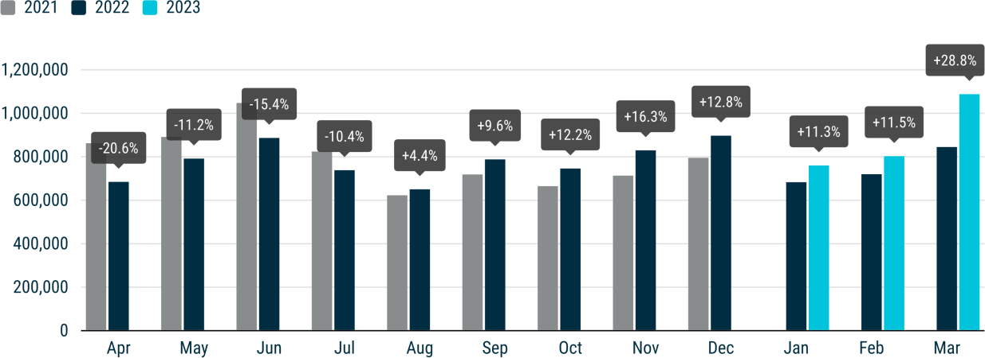
Electric cars Last month, the EU witnessed a significant increase in new registrations of battery electric vehicles (BEVs), which surged by a massive 58% to reach 151,573 units. This is equivalent to a market share of 13.9% and represents a 2.5% increase from March 2022 (11.4%). Double- and triple-digit percentage gains were recorded in most EU member states. Notably, the third-largest market, the Netherlands, saw sales more than double, with a 132.6% increase. As a result, the cumulative number of units registered in the first quarter of 2023 rose by 43.2% to 320,987. Hybrid electric vehicles (HEVs) had another strong month in March, with sales increasing by 38.1% to 264,694 units. This growth was largely due to double-digit increases in the EU’s four key markets, particularly Spain (+75.3%) and Italy (+47.8%). Consequently, HEVs reached a market share of 24.3%, up by 1.6% from March 2022 (22.7%). After negative growth in the first two months of 2023, the EU market for plug-in hybrid vehicles (PHEVs) posted a modest 4.3% growth in March following improved sales in three of the four largest markets: Spain (+80.1%), France (+34.5%), and Italy (+23.1%). Conversely, the German market retracted by 38.5%. Despite increases in some key markets, the overall EU PHEV market share is losing ground to other vehicle segments, declining by 1.6% from 8.8% in March 2022 to 7.2% in 2023. Petrol and diesel cars In March 2023, new registrations of petrol cars in the EU grew significantly (+29.9%), now representing a market share of 37.5% (up 0.4% from March 2022). This growth was mainly concentrated in four key markets: Spain (+82%), Italy (+45.5%), France (+24.4%), and Germany (+22.8%). As a result, nearly 1 million petrol cars were sold in the first quarter of 2023, representing a 18.6% year-on-year increase. The EU diesel car market also performed better in March compared to 2022 (+11.8%), mainly sustained by three of the bloc’s largest markets: Italy (+38.2%), Spain (+21.

 | 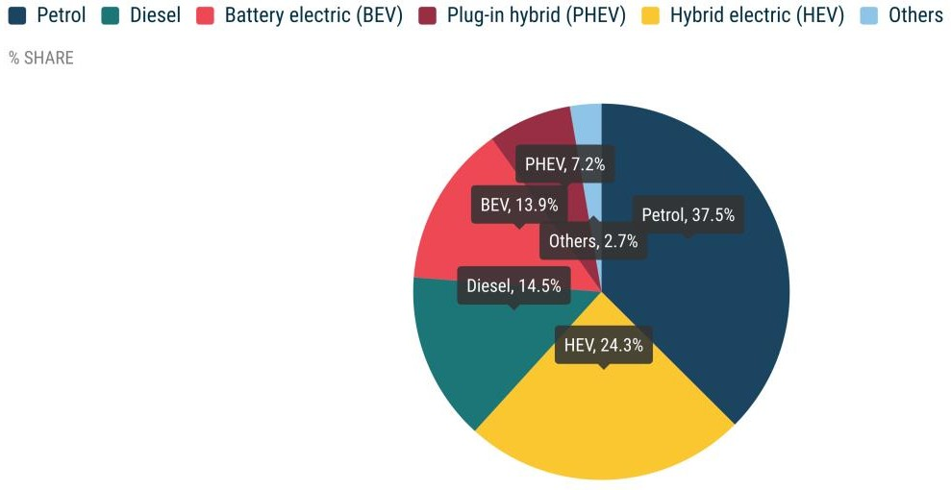
MONTHLY2
 | BATTERY ELECTRIC |  |  | PLUG-IN HYBRID |  |  | HYBRID ELECTRIC1 |  |  | OTHERS2 |  |  | PETROL |  |  | DIESEL |  |  | TOTAL
 | March 2023 | March 2022 | % change 23/22 | March 2023 | March 2022 | % change 23/22 | March 2023 | March 2022 | % change 23/22 | March 2023 | March 2022 | % change 23/22 | March 2023 | March 2022 | % change 23/22 | March 2023 | March 2022 | % change 23/22 | March 2023 | March 2022 | % change 23/22
Austria | 5,075 | 3,039 | +67.0 | 1,898 | 1,175 | +61.5 | 5,260 | 3,813 | +37.9 | 1 | 32 | -96.9 | 8,812 | 8,212 | +7.3 | 5,261 | 4,382 | +20.1 | 26,307 | 20,653 | +27.4
Belgium | 9,459 | 3,795 | +149.2 | 8,450 | 5,833 | +44.9 | 3,332 | 2,466 | +35.1 | 403 | 239 | +68.6 | 24,775 | 17,918 | +38.3 | 5,335 | 6,747 | -20.9 | 51,754 | 36,998 | +39.9
Bulgaria | 75 | 65 | +15.4 | 19 | 16 | +18.8 | 54 | 74 | -27.0 | 0 | 0 |  | 1,809 | 2,168 | -16.6 | 352 | 379 | -7.1 | 2,309 | 2,702 | -14.5
Croatia | 217 | 90 | +141.1 | 97 | 77 | +26.0 | 1,377 | 996 | +38.3 | 153 | 165 | -7.3 | 3,162 | 1,847 | +71.2 | 1,151 | 637 | +80.7 | 6,157 | 3,812 | +61.5
Cyprus | 64 | 13 | +392.3 | 51 | 24 | +112.5 | 583 | 297 | +96.3 | 0 | 0 |  | 1,010 | 459 | +120.0 | 63 | 55 | +14.5 | 1,771 | 848 | +108.8
Czech Republic | 597 | 289 | +106.6 | 399 | 213 | +87.3 | 3,844 | 2,485 | +54.7 | 350 | 431 | -18.8 | 11,925 | 9,749 | +22.3 | 5,263 | 3,736 | +40.9 | 22,378 | 16,903 | +32.4
Denmark | 6,554 | 2,549 | +157.1 | 1,926 | 2,619 | -26.5 | 3,140 | 3,390 | -7.4 | 0 | 2 | -100.0 | 5,599 | 5,088 | +10.0 | 741 | 964 | -23.1 | 17,960 | 14,612 | +22.9
Estonia | 110 | 62 | +77.4 | 74 | 36 | +105.6 | 798 | 764 | +4.5 | 5 | 35 | -85.7 | 1,025 | 870 | +17.8 | 276 | 291 | -5.2 | 2,288 | 2,058 | +11.2
Finland | 2,872 | 1,264 | +127.2 | 1,384 | 1,422 | -2.7 | 1,921 | 2,319 | -17.2 | 25 | 27 | -7.4 | 1,208 | 1,964 | -38.5 | 267 | 547 | -51.2 | 7,677 | 7,543 | +1.8
France | 30,635 | 19,835 | +54.4 | 15,722 | 11,691 | +34.5 | 38,515 | 29,277 | +31.6 | 6,473 | 7,728 | -16.2 | 71,501 | 57,478 | +24.4 | 19,866 | 21,069 | -5.7 | 182,712 | 147,078 | +24.2
Germany | 44,125 | 34,474 | +28.0 | 16,776 | 27,288 | -38.5 | 67,253 | 48,425 | +38.9 | 1,339 | 1,951 | -31.4 | 103,271 | 84,123 | +22.8 | 48,597 | 45,069 | +7.8 | 281,361 | 241,330 | +16.6
Greece | 724 | 278 | +160.4 | 822 | 515 | +59.6 | 3,829 | 2,292 | +67.1 | 392 | 189 | +107.4 | 5,891 | 3,879 | +51.9 | 1,626 | 1,257 | +29.4 | 13,284 | 8,410 | +58.0
Hungary | 652 | 611 | +6.7 | 488 | 478 | +2.1 | 4,617 | 4,392 | +5.1 | 62 | 82 | -24.4 | 4,450 | 4,351 | +2.3 | 1,229 | 1,235 | -0.5 | 11,498 | 11,149 | +3.1
Ireland | 3,414 | 1,924 | +77.4 | 1,479 | 908 | +62.9 | 3,139 | 3,346 | -6.2 | 0 | 52 | -100.0 | 5,812 | 3,369 | +72.5 | 3,801 | 3,308 | +14.9 | 17,645 | 12,907 | +36.7
Italy | 8,163 | 4,485 | +82.0 | 7,278 | 5,911 | +23.1 | 57,960 | 39,205 | +47.8 | 13,024 | 12,513 | +4.1 | 48,097 | 33,051 | +45.5 | 33,737 | 24,403 | +38.2 | 168,259 | 119,568 | +40.7
Latvia | 178 | 60 | +196.7 | 34 | 25 | +36.0 | 461 | 364 | +26.6 | 23 | 35 | -34.3 | 786 | 688 | +14.2 | 274 | 223 | +22.9 | 1,756 | 1,395 | +25.9
Lithuania | 141 | 98 | +43.9 | 0 | 0 |  | 921 | 1,054 | -12.6 | 0 | 0 |  | 1,108 | 980 | +13.1 | 375 | 218 | +72.0 | 2,545 | 2,350 | +8.3
Luxembourg | 1,044 | 717 | +45.6 | 514 | 439 | +17.1 | 1,043 | 763 | +36.7 | 0 | 1 | -100.0 | 1,801 | 1,471 | +22.4 | 844 | 947 | -10.9 | 5,246 | 4,338 | +20.9
Malta | 73 | 74 | -1.4 | 88 | 150 | -41.2 | 100 | 108 | -7.0 | 1 | 2 | -28.5 | 187 | 332 | -43.7 | 39 | 24 | +64.4 | 489 | 690 | -29.1
Netherlands | 13,235 | 5,689 | +132.6 | 5,202 | 3,286 | +58.3 | 7,846 | 6,430 | +22.0 | 149 | 135 | +10.4 | 10,565 | 8,692 | +21.5 | 455 | 549 | -17.1 | 37,452 | 24,781 | +51.1
Poland | 1,913 | 1,151 | +66.2 | 1,320 | 1,055 | +25.1 | 17,869 | 12,878 | +38.8 | 1,252 | 1,533 | -18.3 | 22,246 | 18,946 | +17.4 | 4,860 | 3,965 | +22.6 | 49,460 | 39,528 | +25.1
Portugal | 3,549 | 1,703 | +108.4 | 2,165 | 1,307 | +65.6 | 3,419 | 2,139 | +59.8 | 790 | 522 | +51.3 | 8,661 | 5,563 | +55.7 | 2,888 | 2,175 | +32.8 | 21,472 | 13,409 | +60.1
Romania | 1,027 | 1,050 | -2.2 | 0 | 0 |  | 3,240 | 3,190 | +1.6 | 1,812 | 896 | +102.2 | 4,824 | 4,323 | +11.6 | 1,348 | 1,566 | -13.9 | 12,251 | 11,025 | +11.1
Slovakia | 213 | 117 | +82.1 | 211 | 119 | +77.3 | 2,267 | 1,668 | +35.9 | 191 | 181 | +5.5 | 4,503 | 4,272 | +5.4 | 1,467 | 1,119 | +31.1 | 8,852 | 7,476 | +18.4
Slovenia | 565 | 256 | +120.7 | 111 | 59 | +88.1 | 504 | 569 | -11.4 | 46 | 55 | -16.4 | 3,095 | 2,850 | +8.6 | 950 | 838 | +13.4 | 5,271 | 4,627 | +13.9
Spain | 4,322 | 3,090 | +39.9 | 5,955 | 3,307 | +80.1 | 28,750 | 16,398 | +75.3 | 1,671 | 979 | +70.7 | 44,986 | 24,721 | +82.0 | 13,840 | 11,424 | +21.1 | 99,524 | 59,919 | +66.1
Sweden | 12,577 | 9,142 | +37.6 | 5,540 | 6,809 | -18.6 | 2,652 | 2,581 | +2.8 | 756 | 362 | +108.8 | 6,424 | 6,320 | +1.6 | 2,312 | 3,496 | -33.9 | 30,261 | 28,710 | +5.4
EUROPEAN UNION | 151,573 | 95,920 | +58.0 | 78,003 | 74,762 | +4.3 | 264,694 | 191,683 | +38.1 | 28,918 | 28,147 | +2.7 | 407,533 | 313,684 | +29.9 | 157,217 | 140,623 | +11.8 | 1,087,939 | 844,819 | +28.8
Iceland | 935 | 685 | +36.5 | 169 | 252 | -32.9 | 317 | 199 | +59.3 | 0 | 0 |  | 209 | 134 | +56.0 | 203 | 181 | +12.2 | 1,833 | 1,451 | +26.3
Norway | 16,811 | 13,982 | +20.2 | 837 | 947 | -11.6 | 1,191 | 440 | +170.7 | 0 | 1 | -100.0 | 196 | 450 | -56.4 | 331 | 418 | -20.8 | 19,366 | 16,238 | +19.3
Switzerland | 4,812 | 4,253 | +13.1 | 2,131 | 1,957 | +8.9 | 6,920 | 5,294 | +30.7 | 23 | 18 | +27.8 | 8,955 | 7,962 | +12.5 | 2,343 | 2,238 | +4.7 | 25,184 | 21,722 | +15.9
EFTA | 22,558 | 18,920 | +19.2 | 3,137 | 3,156 | -0.6 | 8,428 | 5,933 | +42.1 | 23 | 19 | +21.1 | 9,360 | 8,546 | +9.5 | 2,877 | 2,837 | +1.4 | 46,383 | 39,411 | +17.7
United Kingdom | 46,626 | 39,315 | +18.6 | 17,933 | 16,037 | +11.8 | 92,964 | 72,022 | +29.1 | 0 | 0 |  | 119,278 | 102,349 | +16.5 | 11,024 | 13,756 | -19.9 | 287,825 | 243,479 | +18.2
EU + EFTA + UK | 220,757 | 154,155 | +43.2 | 99,073 | 93,955 | +5.4 | 366,086 | 269,638 | +35.8 | 28,941 | 28,166 | +2.8 | 536,171 | 424,579 | +26.3 | 171,118 | 157,216 | +8.8 | 1,422,147 | 1,127,709 | +26.1
1 Includes full and mild hybrids 2 Includes fuel cell electric vehicles, natural gas vehicles, LPG, E85/ethanol, and other fuels

YEAR TO DATE

Fevrier 23-22 Sales
NEW PASSENGER CAR REGISTRATIONS, EUROPEAN UNION
PRESS EMBARGO 8.00am CET (7.00am GMT), 21 March 2023
Passenger car registrations: +11.5% in February, battery electric 12.1% market share
In February 2023, the EU passenger car market continued to perform well, growing by 11.5% to 802,763 units. However, it is important to note the low base of comparison due to the semiconductor shortage crisis at the beginning of 2022. Most EU markets showed strong growth, including the four largest ones, with Spain and Italy experiencing the most significant increases (+19.2% and +17.4% respectively). In the first two months of the year, the EU market reached almost 1.6 million new cars registered, up 11.4% from the previous year, thanks to double-digit increases in both January and February. Looking at the four major EU markets, Spain (+32.1%) and Italy (+18.2%) saw the highest gains, followed by France (+9.1%). German car registrations remained flat (+0.2%) during this two-month period.
Data source: the European Automobile Manufacturers’ Association (ACEA), based on aggregated data provided by national automobile associations, ACEA members and S&P Global Mobility. © Reproduction of the content of this document is not permitted without the prior written consent of ACEA. Whenever reproduction is permitted, ACEA shall be referred to as source of the information. Quoting or referring to this document is permitted provided ACEA is referred to as the source of the information.

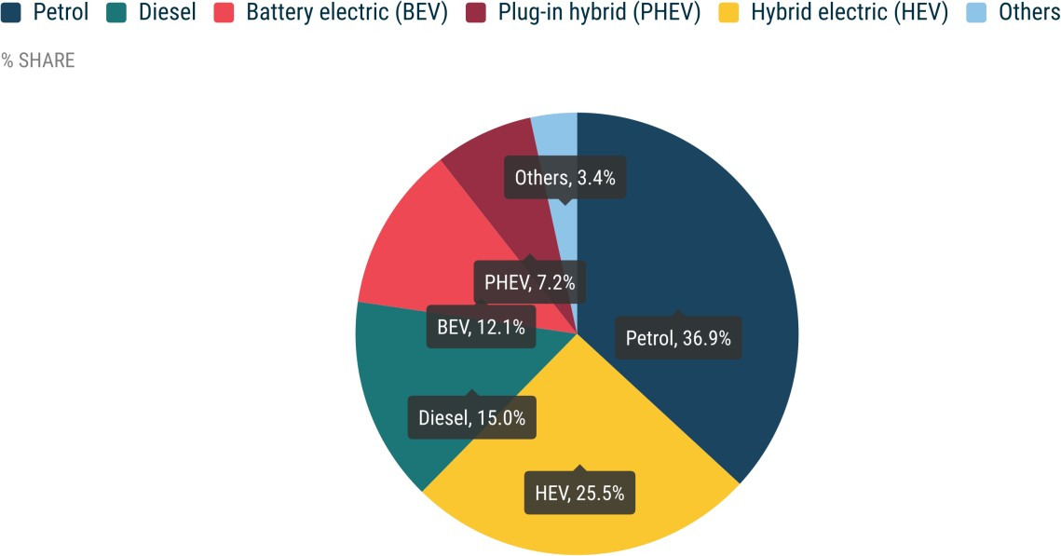 | 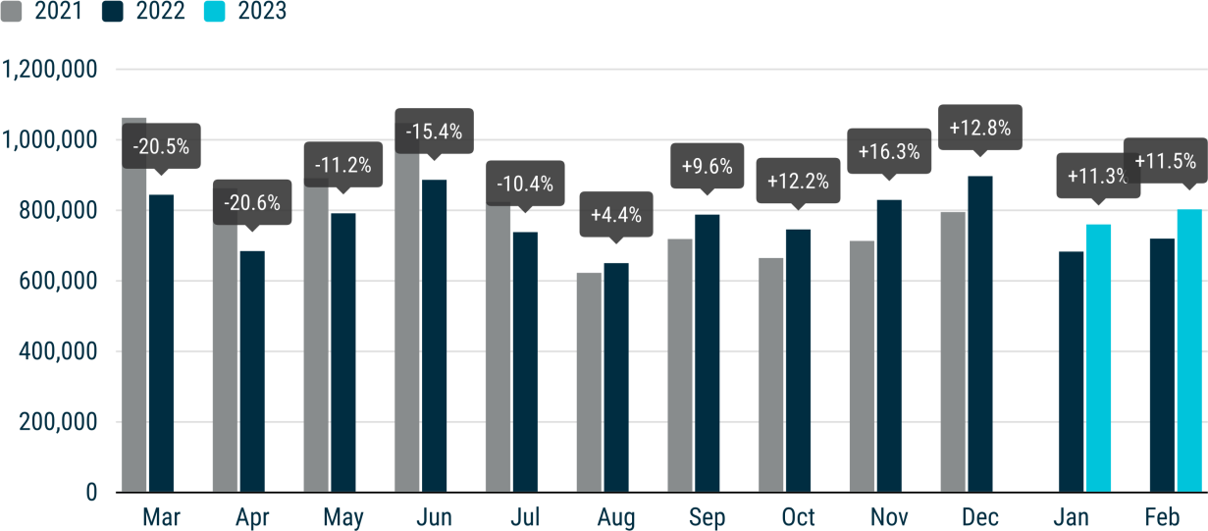
FUEL TYPES OF NEW CARS
In February, there was a rise in the number of battery electric and hybrid cars registered in the EU, now representing 12.1% and 25.5% of the market respectively. However, petrol remained the top choice for newly-registered cars in the EU, with a market share of 36.9%. Electric cars Last month, new battery electric vehicle (BEV) registrations in the EU increased by 39.7% to reach 97,300 cars, resulting in a market share of 12.1%, compared to 9.7% in February 2022. Except for the Czech Republic (-3.2%) and Slovakia (-28.2%), all markets in the region contributed to this growth with double- and triple-digit percentage gains, including the three largest ones: Germany (+14.7%), France (+45.7%), and the Netherlands (+88.9%). Hybrid electric vehicles (HEVs) also had a strong month, with sales increasing by 22.3% to 204,883 units. This growth was largely sustained by double-digit gains in the region's four key markets: Spain (+31.8%), France (+24.6%), Germany (+24.2%) and Italy (+23.9%). As a result, HEVs achieved a market share of 25.5%, up from 23.3% in February 2022. By contrast, registrations of plug-in hybrid vehicles (PHEVs) in the EU decreased by 7.4% to 57,569 cars sold. This decline was mainly due to a significant drop in German sales (-44.8%), following the end of subsidies for plug-in hybrids in 2022. Petrol and diesel cars In February 2023, registrations of new petrol cars in the EU rose by 11.1%, holding a market share of 36.9%, which is on par with the share recorded in 2022. Spain (+19.0%), Italy (+16.3%), Germany (+8.9%) and France (+7.7%) all contributed to this growth. On the other hand, the diesel car market in the EU continued to decline (-8.4%), despite increases in some Central European markets like Poland (+18.9%) and the Czech Republic (+12.4%), as well as in Italy (+2.2%). This resulted in a market share of 15.0%, down 3.2 percentage points from February 2022.

MONTHLY2
 | BATTERY ELECTRIC |  |  | PLUG-IN HYBRID |  |  | HYBRID ELECTRIC1 |  |  | OTHERS2 |  |  | PETROL |  |  | DIESEL |  |  | TOTAL
 | February 2023 | February 2022 | % change 23/22 | February 2023 | February 2022 | % change 23/22 | February 2023 | February 2022 | % change 23/22 | February 2023 | February 2022 | % change 23/22 | February 2023 | February 2022 | % change 23/22 | February 2023 | February 2022 | % change 23/22 | February 2023 | February 2022 | % change 23/22
Austria | 3,415 | 2,114 | +61.5 | 1,276 | 927 | +37.6 | 3,679 | 3,237 | +13.7 | 0 | 9 | -100.0 | 5,929 | 6,053 | -2.0 | 3,596 | 3,763 | -4.4 | 17,895 | 16,103 | +11.1
Belgium | 5,624 | 3,068 | +83.3 | 6,878 | 4,484 | +53.4 | 3,371 | 2,470 | +36.5 | 344 | 258 | +33.3 | 19,313 | 16,091 | +20.0 | 4,353 | 5,830 | -25.3 | 39,883 | 32,201 | +23.9
Bulgaria | 82 | 51 | +60.8 | 11 | 5 | +120.0 | 62 | 59 | +5.1 | 2 | 0 |  | 1,857 | 1,433 | +29.6 | 575 | 383 | +50.1 | 2,589 | 1,931 | +34.1
Croatia | 154 | 50 | +208.0 | 79 | 78 | +1.3 | 767 | 704 | +8.9 | 139 | 63 | +120.6 | 1,774 | 1,399 | +26.8 | 733 | 585 | +25.3 | 3,646 | 2,879 | +26.6
Cyprus | 32 | 0 |  | 30 | 29 | +3.4 | 336 | 367 | -8.4 | 0 | 0 |  | 583 | 668 | -12.7 | 30 | 37 | -18.9 | 1,011 | 1,101 | -8.2
Czech Republic | 299 | 309 | -3.2 | 370 | 218 | +69.7 | 2,965 | 2,108 | +40.7 | 361 | 390 | -7.4 | 9,183 | 7,954 | +15.5 | 3,648 | 3,246 | +12.4 | 16,826 | 14,225 | +18.3
Denmark | 3,148 | 1,717 | +83.3 | 1,183 | 1,715 | -31.0 | 2,309 | 2,269 | +1.8 | 0 | 0 |  | 4,483 | 3,770 | +18.9 | 474 | 726 | -34.7 | 11,597 | 10,197 | +13.7
Estonia | 77 | 41 | +87.8 | 25 | 68 | -63.2 | 728 | 449 | +62.1 | 6 | 31 | -80.6 | 541 | 587 | -7.8 | 220 | 233 | -5.6 | 1,597 | 1,409 | +13.3
Finland | 1,852 | 784 | +136.2 | 1,161 | 1,360 | -14.6 | 1,665 | 2,059 | -19.1 | 28 | 35 | -20.0 | 1,102 | 1,656 | -33.5 | 306 | 410 | -25.4 | 6,114 | 6,304 | -3.0
France | 19,595 | 13,453 | +45.7 | 10,493 | 9,685 | +8.3 | 29,142 | 23,394 | +24.6 | 5,171 | 4,817 | +7.3 | 47,121 | 43,763 | +7.7 | 14,714 | 20,271 | -27.4 | 126,236 | 115,383 | +9.4
Germany | 32,475 | 28,306 | +14.7 | 11,916 | 21,583 | -44.8 | 47,064 | 37,890 | +24.2 | 965 | 2,067 | -53.3 | 75,357 | 69,195 | +8.9 | 38,433 | 41,471 | -7.3 | 206,210 | 200,512 | +2.8
Greece | 395 | 135 | +192.6 | 497 | 488 | +1.8 | 2,832 | 2,471 | +14.6 | 257 | 272 | -5.5 | 4,066 | 3,744 | +8.6 | 1,909 | 1,385 | +37.8 | 9,956 | 8,495 | +17.2
Hungary | 632 | 338 | +87.0 | 566 | 419 | +35.1 | 3,801 | 3,946 | -3.7 | 67 | 116 | -42.2 | 3,646 | 3,472 | +5.0 | 1,035 | 1,157 | -10.5 | 9,747 | 9,448 | +3.2
Ireland | 2,208 | 1,614 | +36.8 | 1,190 | 883 | +34.8 | 2,600 | 2,417 | +7.6 | 0 | 129 | -100.0 | 3,928 | 2,974 | +32.1 | 3,194 | 3,954 | -19.2 | 13,120 | 11,971 | +9.6
Italy | 4,859 | 3,156 | +54.0 | 5,587 | 5,314 | +5.1 | 47,731 | 38,526 | +23.9 | 13,409 | 10,583 | +26.7 | 34,398 | 29,574 | +16.3 | 24,303 | 23,777 | +2.2 | 130,287 | 110,930 | +17.4
Latvia | 100 | 47 | +112.8 | 19 | 15 | +26.7 | 370 | 272 | +36.0 | 20 | 27 | -25.9 | 624 | 530 | +17.7 | 256 | 211 | +21.3 | 1,389 | 1,102 | +26.0
Lithuania | 100 | 72 | +38.9 | 0 | 0 |  | 716 | 747 | -4.1 | 0 | 0 |  | 1,015 | 819 | +23.9 | 178 | 263 | -32.3 | 2,009 | 1,901 | +5.7
Luxembourg | 795 | 497 | +60.0 | 371 | 316 | +17.4 | 790 | 673 | +17.4 | 0 | 1 | -100.0 | 1,440 | 1,330 | +8.3 | 781 | 892 | -12.4 | 4,177 | 3,709 | +12.6
Malta | 65 | 56 | +16.1 | 98 | 96 | +2.1 | 83 | 71 | +16.9 | 1 | 0 |  | 172 | 196 | -12.2 | 37 | 17 | +117.6 | 456 | 436 | +4.6
Netherlands | 6,892 | 3,649 | +88.9 | 4,239 | 2,669 | +58.8 | 6,603 | 6,455 | +2.3 | 153 | 119 | +28.6 | 9,911 | 9,468 | +4.7 | 330 | 357 | -7.6 | 28,128 | 22,717 | +23.8
Poland | 1,105 | 589 | +87.6 | 991 | 821 | +20.7 | 14,414 | 11,653 | +23.7 | 1,034 | 1,168 | -11.5 | 17,457 | 16,342 | +6.8 | 3,524 | 2,965 | +18.9 | 38,525 | 33,538 | +14.9
Portugal | 2,592 | 1,065 | +143.4 | 1,743 | 1,359 | +28.3 | 2,828 | 2,052 | +37.8 | 550 | 195 | +182.1 | 5,844 | 4,326 | +35.1 | 2,523 | 2,621 | -3.7 | 16,080 | 11,618 | +38.4
Romania | 1,040 | 487 | +113.6 | 0 | 0 |  | 3,248 | 2,254 | +44.1 | 1,804 | 1,001 | +80.2 | 4,957 | 3,564 | +39.1 | 1,400 | 1,310 | +6.9 | 12,449 | 8,616 | +44.5
Slovakia | 79 | 110 | -28.2 | 142 | 140 | +1.4 | 1,877 | 1,481 | +26.7 | 171 | 118 | +44.9 | 3,312 | 3,228 | +2.6 | 1,042 | 929 | +12.2 | 6,623 | 6,006 | +10.3
Slovenia | 265 | 145 | +82.8 | 50 | 62 | -19.4 | 516 | 434 | +18.9 | 65 | 42 | +54.8 | 2,265 | 2,521 | -10.2 | 609 | 609 | +0.0 | 3,770 | 3,813 | -1.1
Spain | 3,297 | 2,384 | +38.3 | 4,813 | 3,935 | +22.3 | 22,617 | 17,154 | +31.8 | 1,740 | 1,064 | +63.5 | 31,493 | 26,470 | +19.0 | 10,041 | 11,095 | -9.5 | 74,001 | 62,102 | +19.2
Sweden | 6,123 | 5,413 | +13.1 | 3,841 | 5,495 | -30.1 | 1,769 | 1,858 | -4.8 | 608 | 362 | +68.0 | 4,097 | 5,162 | -20.6 | 2,004 | 2,846 | -29.6 | 18,442 | 21,136 | -12.7
EUROPEAN UNION | 97,300 | 69,650 | +39.7 | 57,569 | 62,164 | -7.4 | 204,883 | 167,470 | +22.3 | 26,895 | 22,867 | +17.6 | 295,868 | 266,289 | +11.1 | 120,248 | 131,343 | -8.4 | 802,763 | 719,783 | +11.5
Iceland | 469 | 320 | +46.6 | 182 | 245 | -25.7 | 114 | 142 | -19.7 | 1 | 0 |  | 70 | 87 | -19.5 | 98 | 88 | +11.4 | 934 | 882 | +5.9
Norway | 6,183 | 6,159 | +0.4 | 521 | 852 | -38.8 | 406 | 372 | +9.1 | 0 | 1 | -100.0 | 108 | 385 | -71.9 | 221 | 379 | -41.7 | 7,439 | 8,148 | -8.7
Switzerland | 2,598 | 2,441 | +6.4 | 1,432 | 1,510 | -5.2 | 4,911 | 4,153 | +18.3 | 5 | 11 | -54.5 | 6,642 | 6,367 | +4.3 | 1,610 | 2,125 | -24.2 | 17,198 | 16,607 | +3.6
EFTA | 9,250 | 8,920 | +3.7 | 2,135 | 2,607 | -18.1 | 5,431 | 4,667 | +16.4 | 6 | 12 | -50.0 | 6,820 | 6,839 | -0.3 | 1,929 | 2,592 | -25.6 | 25,571 | 25,637 | -0.3
United Kingdom | 12,310 | 10,417 | +18.2 | 4,723 | 4,677 | +1.0 | 21,749 | 16,026 | +35.7 | 0 | 0 |  | 32,311 | 23,952 | +34.9 | 3,348 | 3,922 | -14.6 | 74,441 | 58,994 | +26.2
EU + EFTA + UK | 118,860 | 88,987 | +33.6 | 64,427 | 69,448 | -7.2 | 232,063 | 188,163 | +23.3 | 26,901 | 22,879 | +17.6 | 334,999 | 297,080 | +12.8 | 125,525 | 137,857 | -8.9 | 902,775 | 804,414 | +12.2
1 Includes full and mild hybrids 2 Includes fuel cell electric vehicles, natural gas vehicles, LPG, E85/ethanol and other fuels

YEAR TO DATE

Janvier 23-22 Sales
NEW PASSENGER CAR REGISTRATIONS, EUROPEAN UNION
PRESS EMBARGO 8.00am CET (7.00am GMT), 21 February 2023
Passenger car registrations: +11.3% in January 2023, battery electric 9.5% market share
In January 2023, the European Union passenger car market grew by 11.3% to 760,041 units, starting the new year on a positive note. However, this was largely due to an unusually modest base of comparison in 2022, when the lowest January volume on record was reached. At a country level, the region’s positive performance was reflected in three of the four key markets. The strongest gains were seen in Spain (+51.4%) and Italy (+19.0%), followed by France, with a more modest but still solid growth (+8.8%). The exception to this trend was Germany, which recorded a 2.6% decline last month. FUEL TYPES OF NEW CARS During the first month of 2023, battery electric and hybrid passenger car registrations in the EU continued to grow, accounting for 9.5% and 26.0% of the market respectively. Nonetheless, petrol remained the most popular fuel type for newly-registered cars in the EU, with a market share of 37.9%.
Data source: the European Automobile Manufacturers’ Association (ACEA), based on aggregated data provided by national automobile associations, ACEA members and S&P Global Mobility. © Reproduction of the content of this document is not permitted without the prior written consent of ACEA. Whenever reproduction is permitted, ACEA shall be referred to as source of the information. Quoting or referring to this document is permitted provided ACEA is referred to as the source of the information.

 | 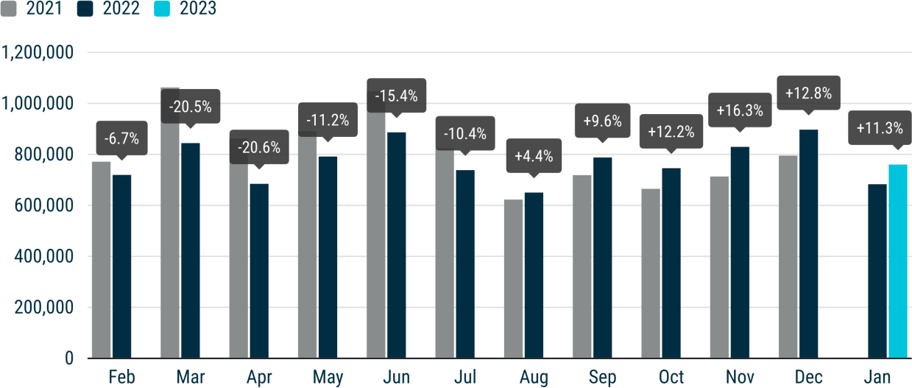
Electric cars January registrations of new battery electric vehicles (BEVs) increased by 22.9%, reaching 71,984 cars registered across the EU and a market share of 9.5% (against 8.6% in January 2022). Most of the region’s markets contributed significantly to this growth, with double- and triple-digit percentage gains. However, there were a few exceptions in some of the EU’s biggest volume markets for this powertrain: Germany (-13.2%), Sweden (-18.5%) and Italy (-8.7%). Hybrid electric vehicles (HEVs) also had a strong start of the year. Their volumes grew by 22.1% to 197,982 units, sustained by double-digit gains in the region’s four biggest markets: Spain (+59.3%), Italy (+24.7%), Germany (+19.0%), and France (+12.5%). This resulted in a market share of 26.0%, a 2.3 percentage-point improvement compared to January 2022. On the other hand, EU plug-in hybrid vehicle (PHEV) sales declined by 9.9% to 53,649 units in January, as registrations more than halved in Germany (-53.2%), which until last year was the largest market by volume for such cars. As a result, the market share for PHEVs contracted from 8.7% in January 2022 to 7.1% this year. Petrol and diesel cars Registrations of new petrol cars in the EU recorded a 12.3% uplift in January, contributing to the expansion of their market share to 37.9% (against 37.6% in 2022). All the region’s major markets contributed to this growth: Spain (+59.4%), Italy (+15.5%), France (+11.9%) and Germany (+3.5%). By contrast, the EU’s diesel car market continued to struggle – with a decline of 1.6% last month – despite a notable increase in Italian (+21.4%) and Spanish (+19.0%) registrations. This resulted in a drop of 2.0 percentage points in market share, from 17.9% to 15.9%.
 | 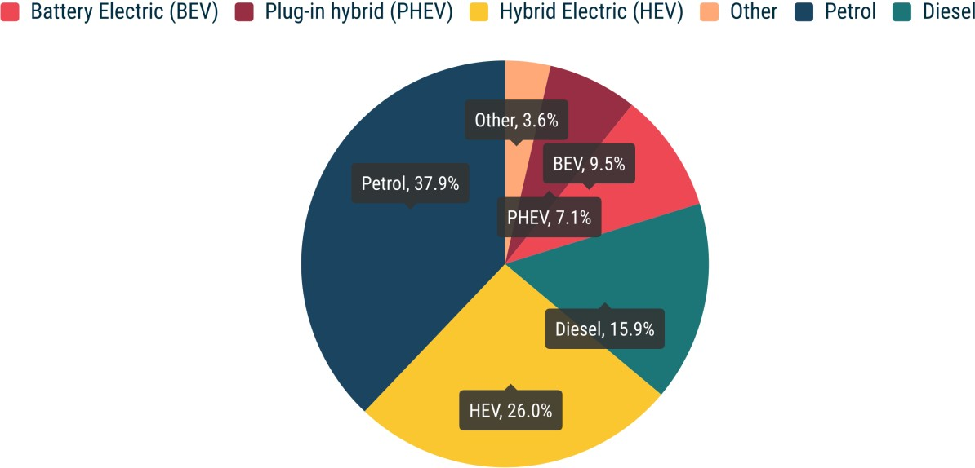
NEW PASSENGER CAR REGISTRATIONS, BY MARKET AND FUEL TYPE MONTHLY2
 | BATTERY ELECTRIC |  |  | PLUG-IN HYBRID |  |  | HYBRID ELECTRIC |  |  | OTHERS1 |  |  | PETROL |  |  | DIESEL |  |  | TOTAL
 | January 2023 | January 2022 | % change 23/22 | January 2023 | January 2022 | % change 23/22 | January 2023 | January 2022 | % change 23/22 | January 2023 | January 2022 | % change 23/22 | January 2023 | January 2022 | % change 23/22 | January 2023 | January 2022 | % change 23/22 | January 2023 | January 2022 | % change 23/22
Austria | 2,745 | 2,013 | +36.4 | 1,218 | 1,104 | +10.3 | 3,743 | 2,652 | +41.1 | 1 | 4 | -75.0 | 7,220 | 6,134 | +17.7 | 3,923 | 3,712 | +5.7 | 18,850 | 15,619 | +20.7
Belgium | 5,696 | 2,766 | +105.9 | 7,247 | 4,885 | +48.4 | 3,291 | 2,472 | +33.1 | 281 | 425 | -33.9 | 18,231 | 16,644 | +9.5 | 5,101 | 6,755 | -24.5 | 39,847 | 33,947 | +17.4
Bulgaria | 51 | 34 | +50.0 | 16 | 7 | +128.6 | 53 | 62 | -14.5 | 3 | 8 | -62.5 | 1,696 | 1,572 | +7.9 | 408 | 346 | +17.9 | 2,227 | 2,029 | +9.8
Croatia | 192 | 109 | +76.1 | 80 | 73 | +9.6 | 720 | 605 | +19.0 | 138 | 142 | -2.8 | 1,634 | 1,397 | +17.0 | 596 | 618 | -3.6 | 3,360 | 2,944 | +14.1
Cyprus | 82 | 15 | +446.7 | 29 | 9 | +222.2 | 491 | 224 | +119.2 | 0 | 1 | -100.0 | 620 | 763 | -18.7 | 53 | 99 | -46.5 | 1,275 | 1,111 | +14.8
Czech Republic | 429 | 187 | +129.4 | 488 | 271 | +80.1 | 2,783 | 2,125 | +31.0 | 297 | 461 | -35.6 | 9,320 | 8,505 | +9.6 | 3,820 | 4,714 | -19.0 | 17,137 | 16,263 | +5.4
Denmark | 2,202 | 1,668 | +32.0 | 795 | 1,212 | -34.4 | 2,422 | 2,082 | +16.3 | 0 | 1 | -100.0 | 4,551 | 3,839 | +18.5 | 433 | 600 | -27.8 | 10,403 | 9,402 | +10.6
Estonia | 58 | 44 | +31.8 | 32 | 39 | -17.9 | 739 | 671 | +10.1 | 6 | 36 | -83.3 | 735 | 633 | +16.1 | 203 | 301 | -32.6 | 1,773 | 1,724 | +2.8
Finland | 1,862 | 992 | +87.7 | 1,295 | 1,651 | -21.6 | 2,470 | 2,739 | -9.8 | 53 | 73 | -27.4 | 1,183 | 1,947 | -39.2 | 312 | 480 | -35.0 | 7,175 | 7,882 | -9.0
France | 14,629 | 10,218 | +43.2 | 10,301 | 7,934 | +29.8 | 26,030 | 23,138 | +12.5 | 5,087 | 4,007 | +27.0 | 43,340 | 38,746 | +11.9 | 12,552 | 18,856 | -33.4 | 111,939 | 102,899 | +8.8
Germany | 18,136 | 20,892 | -13.2 | 8,853 | 18,900 | -53.2 | 41,919 | 35,226 | +19.0 | 1,187 | 1,806 | -34.3 | 69,922 | 67,575 | +3.5 | 39,230 | 39,713 | -1.2 | 179,247 | 184,112 | -2.6
Greece | 273 | 92 | +196.7 | 447 | 271 | +64.9 | 2,516 | 1,424 | +76.7 | 240 | 408 | -41.2 | 4,968 | 2,530 | +96.4 | 2,088 | 797 | +162.0 | 10,532 | 5,522 | +90.7
Hungary | 369 | 323 | +14.2 | 367 | 372 | -1.3 | 3,598 | 3,283 | +9.6 | 99 | 34 | +191.2 | 3,006 | 3,205 | -6.2 | 875 | 874 | +0.1 | 8,314 | 8,091 | +2.8
Ireland | 3,675 | 2,697 | +36.3 | 1,956 | 2,174 | -10.0 | 6,197 | 6,969 | -11.1 | 0 | 3 | -100.0 | 9,254 | 7,554 | +22.5 | 6,236 | 5,617 | +11.0 | 27,318 | 25,014 | +9.2
Italy | 3,332 | 3,648 | -8.7 | 6,049 | 5,445 | +11.1 | 47,178 | 37,843 | +24.7 | 13,507 | 11,446 | +18.0 | 34,166 | 29,571 | +15.5 | 24,205 | 19,932 | +21.4 | 128,437 | 107,885 | +19.0
Latvia | 183 | 52 | +251.9 | 21 | 13 | +61.5 | 401 | 346 | +15.9 | 40 | 30 | +33.3 | 491 | 533 | -7.9 | 239 | 225 | +6.2 | 1,375 | 1,199 | +14.7
Lithuania | 167 | 87 | +92.0 |  |  |  | 927 | 991 | -6.5 | 0 | 0 |  | 707 | 828 | -14.6 | 235 | 335 | -29.9 | 2,036 | 2,241 | -9.1
Luxembourg | 674 | 401 | +68.1 | 328 | 308 | +6.5 | 684 | 570 | +20.0 | 0 | 2 | -100.0 | 1,247 | 1,186 | +5.1 | 793 | 833 | -4.8 | 3,726 | 3,300 | +12.9
Malta | 56 | 66 | -15.2 | 93 | 99 | -6.1 | 90 | 76 | +18.4 | 1 | 2 | -50.0 | 141 | 166 | -15.1 | 40 | 13 | +207.7 | 421 | 422 | -0.2
Netherlands | 5,082 | 3,082 | +64.9 | 4,024 | 4,039 | -0.4 | 7,779 | 8,540 | -8.9 | 160 | 326 | -50.9 | 15,457 | 14,333 | +7.8 | 343 | 528 | -35.0 | 32,845 | 30,848 | +6.5
Poland | 1,077 | 512 | +110.4 | 689 | 734 | -6.1 | 13,444 | 9,188 | +46.3 | 945 | 1,171 | -19.3 | 15,648 | 14,755 | +6.1 | 3,243 | 2,615 | +24.0 | 35,046 | 28,975 | +21.0
Portugal | 2,258 | 962 | +134.7 | 1,575 | 1,275 | +23.5 | 2,437 | 1,722 | +41.5 | 730 | 206 | +254.4 | 5,220 | 3,736 | +39.7 | 2,419 | 1,966 | +23.0 | 14,639 | 9,867 | +48.4
Romania | 1,073 | 571 | +87.9 |  |  |  | 3,354 | 2,454 | +36.7 | 2,187 | 1,420 | +54.0 | 4,361 | 3,774 | +15.6 | 1,291 | 1,118 | +15.5 | 12,266 | 9,337 | +31.4
Slovakia | 105 | 74 | +41.9 | 142 | 105 | +35.2 | 1,751 | 1,290 | +35.7 | 138 | 175 | -21.1 | 3,448 | 3,031 | +13.8 | 1,096 | 1,064 | +3.0 | 6,680 | 5,739 | +16.4
Slovenia | 316 | 140 | +125.7 | 88 | 51 | +72.5 | 434 | 600 | -27.7 | 63 | 74 | -14.9 | 2,743 | 2,687 | +2.1 | 781 | 768 | +1.7 | 4,425 | 4,320 | +2.4
Spain | 3,060 | 1,776 | +72.3 | 4,115 | 3,209 | +28.2 | 20,901 | 13,119 | +59.3 | 1,798 | 980 | +83.5 | 25,863 | 16,226 | +59.4 | 8,410 | 7,067 | +19.0 | 64,147 | 42,377 | +51.4
Sweden | 4,202 | 5,157 | -18.5 | 3,401 | 5,363 | -36.6 | 1,630 | 1,685 | -3.3 | 609 | 223 | +173.1 | 3,153 | 4,900 | -35.7 | 1,606 | 2,565 | -37.4 | 14,601 | 19,893 | -26.6
EUROPEAN UNION | 71,984 | 58,578 | +22.9 | 53,649 | 59,543 | -9.9 | 197,982 | 162,096 | +22.1 | 27,570 | 23,464 | +17.5 | 288,325 | 256,770 | +12.3 | 120,531 | 122,511 | -1.6 | 760,041 | 682,962 | +11.3
Iceland | 196 | 329 | -40.4 | 112 | 290 | -61.4 | 150 | 117 | +28.2 | 1 | 0 |  | 122 | 67 | +82.1 | 151 | 81 | +86.4 | 732 | 884 | -17.2
Norway | 1,237 | 6,659 | -81.4 | 182 | 539 | -66.2 | 263 | 371 | -29.1 | 0 | 1 | -100.0 | 36 | 175 | -79.4 | 142 | 212 | -33.0 | 1,860 | 7,957 | -76.6
Switzerland | 2,840 | 2,126 | +33.6 | 1,387 | 1,531 | -9.4 | 4,667 | 3,912 | +19.3 | 10 | 22 | -54.5 | 5,905 | 6,280 | -6.0 | 1,628 | 2,028 | -19.7 | 16,437 | 15,899 | +3.4
EFTA | 4,273 | 9,114 | -53.1 | 1,681 | 2,360 | -28.8 | 5,080 | 4,400 | +15.5 | 11 | 23 | -52.2 | 6,063 | 6,522 | -7.0 | 1,921 | 2,321 | -17.2 | 19,029 | 24,740 | -23.1
United Kingdom | 17,294 | 14,433 | +19.8 | 9,109 | 9,047 | +0.7 | 41,338 | 34,131 | +21.1 | 0 | 0 | #DIV/0! | 58,973 | 51,468 | +14.6 | 5,280 | 6,008 | -12.1 | 131,994 | 115,087 | +14.7
EU + EFTA + UK | 93,551 | 82,125 | +13.9 | 64,439 | 70,950 | -9.2 | 244,400 | 200,627 | +21.8 | 27,581 | 23,487 | +17.4 | 353,361 | 314,760 | +12.3 | 127,732 | 130,840 | -2.4 | 911,064 | 822,789 | +10.7
1 Includes fuel cell electric vehicles (FCEVs), natural gas vehicles (NGVs), LPG, E85/ethanol and other fuels

